Small SD
 |  |  |  | Criterias and Ranking |  |  |  |  |  |  |  |  |  | Weights | 3 |  | 5 |  | 4 |  | 3 |  | 1 | 5
Capture Methods |  | Stickiness |  | Involved Technology's Readiness. (complexity is also involved) |  | Energy per unit captured |  | Risk involved especially the possibilty to generate more Space Debris. |  | Mass sent in space vs mass that can be repositioned/captured |  | Suitability for Small SDs |  |  | Stickiness |  | Involved Technology's Readiness. (complexity is also involved) |  | Energy per unit captured |  | Risk involved especially the possibilty to generate more Space Debris. |  | Mass sent in space vs mass that can be repositioned/captured | Suitability for Small SDs
S. No. | Name | Justication | Ranking | Justication | Ranking | Justication | Ranking | Justication | Ranking | Justication | Ranking | Justication | Ranking | System of Ranking | 1 corresponds to best TLR 13 correspondds to worst TLR |  | 1 corresponds to best TLR 13 correspondds to worst TLR |  | 1 corresponds to least E/C req 13 correspondds to highest E/C req |  | 1 corresponds to least risk of new SD generation 13 correspondds to highest risk of new SD generation |  | 1 corresponds to lowest Payload Mass to Captured Mass Ratio (Mp/Mc) 13 correspondds to highest Mp/Mc | 1 corresponds to best suited 13 correspondds to least suited |  |  |  |  |  |  |  |  |  | 3 | 5 | 4 | 3 | 1 | 5
1 | Controlled Net |  | 4 | As compared to the methods above this, using net to capture SDs has been widely demonstrated on earth through simulations and experiments. Comparatively the technology is not as matured as the top 3 which have involved some sort or the other form of implementation in space or space like situations. | 4 | For each capture power would be required for fine adjusting manuevers as well as sensors that determine the state of the net. Fineness of the net's mesh will dictate whether smaller masses can be captured or not. | 7 |  | 11 | On any kind of satellite system, the controlled net system would take up very less mass as compared to mass of fuel and subsystems required for the rendezvous manuevers. | 1 |  | 1 |  |  |  |  |  |  |  |  |  |  |  |  |  | Stickiness | TRL | E/C | Risk | Mp/Mc | Suitability |  | Stickiness | TRL | E/C | Risk | Mp/Mc | Suitability | Avg Score | W. Avg Score
 |  |  |  |  |  |  |  |  |  |  |  |  |  |  |  |  |  |  |  |  |  |  |  |  |  | Controlled Net | 4 | 4 | 7 | 11 | 1 | 1 | Controlled Net | 7.5 | 7.5 | 5 | 1.667 | 10 | 10 | 6.945 | 6.905
 |  |  |  |  |  |  |  |  |  |  |  |  |  |  |  |  |  |  |  |  |  |  |  |  |  | Inflated Method | 1 | 12 | 6 | 6 | 2 | 6 | Inflated Method | 10 | 0.833 | 5.833 | 5.833 | 9.167 | 5.833 | 6.25 | 5.397
 |  |  |  |  |  |  |  |  |  |  |  |  |  |  |  |  |  |  |  |  |  |  |  |  |  | Foam Method | 2 | 13 | 5 | 5 | 3 | 8 | Foam Method | 9.167 | 0 | 6.667 | 6.667 | 8.333 | 4.167 | 5.834 | 4.921
 |  |  |  |  |  |  |  |  |  |  |  |  |  |  |  |  |  |  |  |  |  |  |  |  |  | "Adhesive" Method | 8 | 2 | 3 | 8 | 13 | 11 | "Adhesive" Method | 4.167 | 9.167 | 8.333 | 4.167 | 0 | 1.667 | 4.584 | 5.357
 |  |  |  |  |  |  |  |  |  |  |  |  |  | 1 | Inflated Method |  | Robotic Arms (multiple on one system) |  | Solar Sails |  | Ion Beam Shepherd |  | Controlled Net | Controlled Net |  | Tether + Adhesive Thread + Damper | 3 | 5 | 2 | 9 | 11 | 10 | Tether + Adhesive Thread + Damper | 8.333 | 6.667 | 9.167 | 3.333 | 1.667 | 2.5 | 5.278 | 5.675
 |  |  |  |  |  |  |  |  |  |  |  |  |  | 2 | Foam Method |  | "Adhesive" Method |  | Tether + Adhesive Thread + Damper |  | Lasers |  | Inflated Method | Magnetic |  | Slingshot and Catch | 9 | 6 | 11 | 12 | 8 | 9 | Slingshot and Catch | 3.333 | 5.833 | 1.667 | 0.833 | 4.167 | 3.333 | 3.194 | 3.293
 |  |  |  |  |  |  |  |  |  |  |  |  |  | 3 | Tether + Adhesive Thread + Damper |  | Ion Beam Shepherd |  | "Adhesive" Method |  | Electrostatic charge induced capture |  | Foam Method | Ion Beam Shepherd |  | Magnetic | 6 | 11 | 13 | 4 | 6 | 2 | Magnetic | 5.833 | 1.667 | 0 | 7.5 | 5.833 | 9.167 | 5 | 4.762
 |  |  |  |  |  |  |  |  |  |  |  |  |  | 4 | Controlled Net |  | Controlled Net |  | Robotic Arms (multiple on one system) |  | Magnetic |  | Ion Beam Shepherd | Lasers |  | Ion Beam Shepherd | 5 | 3 | 8 | 1 | 4 | 3 | Ion Beam Shepherd | 6.667 | 8.333 | 4.167 | 10 | 7.5 | 8.333 | 7.5 | 7.5
2 | Inflated Method |  | 1 |  | 12 | In terms of energy utilized per capture, majority of the energy would be required for the first capture in which the SD is covered with inflated material. After that the energy will be required to catch up to remaining pre selected debris for the mission that would stick around on the inflated region. | 6 |  | 6 | Mass carried to the space would be higher as the mission would be carrying multiple reorientation units with infaltion technology attached to them. | 2 |  | 6 | 5 | Ion Beam Shepherd |  | Tether + Adhesive Thread + Damper |  | Foam Method |  | Foam Method |  | Lasers | Cold Welding |  | Cold Welding | 7 | 10 | 10 | 13 | 12 | 5 | Cold Welding | 5 | 2.5 | 2.5 | 0 | 0.833 | 6.667 | 2.917 | 3.413
 |  |  |  |  |  |  |  |  |  |  |  |  |  | 6 | Magnetic |  | Slingshot and Catch |  | Inflated Method |  | Inflated Method |  | Magnetic | Inflated Method |  | Robotic Arms (multiple on one system) | 10 | 1 | 4 | 7 | 10 | 13 | Robotic Arms (multiple on one system) | 2.5 | 10 | 7.5 | 5 | 2.5 | 0 | 4.583 | 5
 |  |  |  |  |  |  |  |  |  |  |  |  |  | 7 | Cold Welding |  | Lasers |  | Controlled Net |  | Robotic Arms (multiple on one system) |  | Electrostatic charge induced capture | Electrostatic charge induced capture |  | Electrostatic charge induced capture | 13 | 8 | 12 | 3 | 7 | 7 | Electrostatic charge induced capture | 0 | 4.167 | 0.833 | 8.333 | 5 | 5 | 3.889 | 3.77
 |  |  |  |  |  |  |  |  |  |  |  |  |  | 8 | "Adhesive" Method |  | Electrostatic charge induced capture |  | Ion Beam Shepherd |  | "Adhesive" Method |  | Slingshot and Catch | Foam Method |  | Solar Sails | 11 | 9 | 1 | 10 | 9 | 12 | Solar Sails | 1.667 | 3.333 | 10 | 2.5 | 3.333 | 0.833 | 3.611 | 3.651
 |  |  |  |  |  |  |  |  |  |  |  |  |  | 9 | Slingshot and Catch |  | Solar Sails |  | Lasers |  | Tether + Adhesive Thread + Damper |  | Solar Sails | Slingshot and Catch |  | Lasers | 12 | 7 | 9 | 2 | 5 | 4 | Lasers | 0.833 | 5 | 3.333 | 9.167 | 6.667 | 7.5 | 5.417 | 5.357
 |  |  |  |  |  |  |  |  |  |  |  |  |  | 10 | Robotic Arms (multiple on one system) |  | Cold Welding |  | Cold Welding |  | Solar Sails |  | Robotic Arms (multiple on one system) | Tether + Adhesive Thread + Damper
 |  |  |  |  |  |  |  |  |  |  |  |  |  | 11 | Solar Sails |  | Magnetic |  | Slingshot and Catch |  | Controlled Net |  | Tether + Adhesive Thread + Damper | "Adhesive" Method
Ranking
 |  |  |  |  |  |  |  |  |  |  |  |  |  | 12 | Lasers |  | Inflated Method |  | Electrostatic charge induced capture |  | Slingshot and Catch |  | Cold Welding | Solar Sails
 |  |  |  |  |  |  |  |  |  |  |  |  |  | 13 | Electrostatic charge induced capture |  | Foam Method |  | Magnetic |  | Cold Welding |  | "Adhesive" Method | Robotic Arms (multiple on one system)
 |  |  |  |  |  |  |  |  |  |  |  |  |  |  | in general methods that involved adhesive are ranked higher. The basic principle here used was how well each conept shows an extent of stickiness necessary for the mission. |  | TRL should be included. |  | Understanding of what kind of extra energy input is required for each of the methods apart from the subsystem critical for mission launch and orbital insertion. |  | In general there are two types of risks involved with such missions, one is direct contact between the mission unit and the SD and second is collison between other space objects. In general if non contact missions are carried out with care, they can reduce a lot of risk in first scenario. That's why these methods have been ranked higher in general |  | Any viable tech not available. Higher long term. | When in comes to SD which are small in size, then the main problem becomes there detection. Since they are very small in size, detection of such objects is very hard especially having datat about their states. Thus methods which in general require more precision to capture would rank lower. Higher ranking means that the method can either be deployed or modified to capture small SDs.
3 | Foam Method |  | 2 |  | 13 | Expansion of foam related energy consumption. Very similar to consumption requirement of inflated method. Although more energy will be required when exapnding for each SD capture. | 5 |  | 5 | captured mass similar to that of inflated method but extra payload mass for expansion of foam. | 3 |  | 8

4 | "Adhesive" Method |  | 8 | One of the only methods that also has investments from Astroscale showing there are chances of higher development already happening for the method. | 2 | Apart from rendezvous, the majority of energy would required for each space debris to be repositioned and each unit that is glued to the debris will need different quantity based on orbital and attitude state. | 3 |  | 8 | A lot SRM units that can stick to SD will be carried thus higher payload mass and the lack of suitability towards SD reduces the captured mass by alot. | 13 |  | 11

5 | Tether + Adhesive Thread + Damper |  | 3 | One of the only methods that involves concepts and components which are used widely, especially motion dampers. The part about using tethers to attach and adhesive thread for sticking together has not been matured yet. Tethers have been used a lot on multiple concepts but have not seen appliction in space. The reason for this and controlled net having similar rankings is that the two methods have components of similar TLR levels but some which require a lot more input and are at very earlt stages. Adaptation of dampers in context of this mission is also a technological barrier that needs an input. | 5 | Based on the properties of damper system if any kind of reactions reorient the main SC unit then extra energy for corrections will be required. Deployement of tether and its control will require energy. Comparatively not very high. Similar to robotic arms, the smaller the debris the harder it is to capture thus larger masses can be captured more effectively which will also increase the energy required per mass. | 2 |  | 9 | Captured mass capabilites reduced due to mechanical contact usage. Furthermore new systems of tether, adhesive and damper system along with fuel to counter any untoward moments during motion damping requires extra fuel. | 11 |  | 10

 |  |  |  |  |  |  |  |  |  |  |  |  |  |  |  |  |  |  |  | phased selection
 |  |  |  |  |  |  |  |  |  |  |  |  |  |  |  |  |  |  |  | criteria by criteria
 |  |  |  |  |  |  |  |  |  |  |  |  |  |  |  |  |  |  |  | TRL and mass ratio first
 |  |  |  |  |  |  |  |  |  |  |  |  |  |  |  |  |  |  |  | then energy
 |  |  |  |  |  |  |  |  |  |  |  |  |  |  |  |  |  |  |  | then stickiness
6 | Slingshot and Catch |  | 9 |  | 6 | Changing the attitude of slingshot for each SD's specific parameters will require energy. All kind of small space debris can be captures, thus a higher Mc value. | 11 |  | 12 | Added mass of slingshot mechnism to the payload. | 8 |  | 9

Avg and Weighted Avg Scores
 |  |  |  |  |  |  |  |  |  |  |  |  |  |  |  |  |  |  |  | Primary Objectives
 |  |  |  |  |  |  |  |  |  |  |  |  |  |  |  |  |  |  |  | Clearing of SD or non functional satellites to free up space in orbits
 |  |  |  |  |  |  |  |  |  |  |  |  |  |  |  |  |  |  |  | Use captured objects to form artifical moons
 |  |  |  |  |  |  |  |  |  |  |  |  |  |  |  |  |  |  |  | Secondary Objectives
 |  |  |  |  |  |  |  |  |  |  |  |  |  |  |  |  |  |  |  | Provide raw material extraction source
 |  |  |  |  |  |  |  |  |  |  |  |  |  |  |  |  |  |  |  | Testing bed for extraction techniques, asteroid equipments or mounting base for equpments such as antennas.
 |  |  |  |  |  |  |  |  |  |  |  |  |  |  |  |  | Aspects
 |  |  |  |  |  |  |  |  |  |  |  |  |  |  |  |  | Cost | Life | Capability | Common Critical Mission Tasks |  |  |  |  | Affected Criterias
7 | Magnetic |  | 6 |  | 11 |  | 13 |  | 4 | Magnetic unit and tethers. Even if elctromagnetic units are required then the added mass wouldn't be very high. Captured mass is low as most of the SDs are weakly magnetic. | 6 |  | 2 |  |  | Tasks - Aspect Relatioship Matrix |  |  |  | Rendezvous with the Space Debris in different orbits
 |  |  |  |  |  |  |  |  |  |  |  |  |  |  |  |  |  |  |  | Deployment/proximity maneuvers to dock or perfrom tasks to begin transitioning to reorientation phase
 |  |  |  |  |  |  |  |  |  |  |  |  |  |  |  |  |  |  |  | Reorient/Capture the targeted SD |  |  |  |  | TRL, Suitablity
 |  |  |  |  |  |  |  |  |  |  |  |  |  |  |  |  |  |  |  | Multiple Capture Capabilites |  |  |  |  | Suitability, TRL, Energy per
 |  |  |  |  |  |  |  |  |  |  |  |  |  |  |  |  |  |  |  | Ensure that the captured objects stick to form artificial moon |  |  |  |  | Stickiness
 |  |  |  |  |  |  |  |  |  |  |  |  |  |  |  |  |  |  |  | Energy Efficient |  |  |  |  | Mass Ratio, Energy per
 |  |  |  |  |  |  |  |  |  |  |  |  |  |  |  |  |  |  |  | Non destructive in nature |  |  |  |  | Risk
 |  |  |  |  |  |  |  |  |  |  |  |  |  |  |  |  |  |  |  | TRL, Suitability | TRL, Suitability | 5
 |  |  |  |  |  |  |  |  |  |  |  |  |  |  |  |  |  |  |  | Mass Ratio, Energy per | Energy per | 4
 |  |  |  |  |  |  |  |  |  |  |  |  |  |  |  |  |  |  |  | Stickiness, Risk | Stickiness, Risk | 3
 |  |  |  |  |  |  |  |  |  |  |  |  |  |  |  |  |  |  |  |  | Mass Ratio | 1
8 | Ion Beam Shepherd |  | 5 | Again a method which has recieved heavy investments in. The reason it doesn't go higher than 3rd is that apart from the physical requirements in terms of ion beam units needed for this mission, majority of technological development is still required in automated non linear control implementation. | 3 | Energy per capture highly dependent on states of each SDs. Considering each of the concepts will encounter with simialr SDs, the energy for reorientation will be high here as a beam or multi beam config will required to produce enough ion plume that can reposition. | 8 |  | 1 |  | 4 |  | 3
 |  |  |  |  |  |  |  |  |  |  |  |  |  |  |  |  | Aspects
 |  |  |  |  |  |  |  |  |  |  |  |  |  |  |  |  | Cost | Life | Capability | Critical Mission Tasks |  |  |  |  | Affected Criterias
 |  |  |  |  |  |  |  |  |  |  |  |  |  |  |  | Tasks - Aspect Relatioship Matrix

 |  |  |  |  |  |  |  |  |  |  |  |  |  |  |  |  |  |  |  | Capture of the space debris, for contact-less methods such as IBS this will instead be called as reorientation of the space debris. |  |  |  |  | TRL, Suitablity
 |  |  |  |  |  |  |  |  |  |  |  |  |  |  |  |  |  |  |  | The C-R process should be such that high energy collisions can be avoided i.e. non-destructive nature of contact (or ion impingement in case of IBS). |  |  |  |  | Risk
 |  |  |  |  |  |  |  |  |  |  |  |  |  |  |  |  |  |  |  | A many-to-one C-R capability, i.e. the subsystem would be able to carry out multiple C-R tasks within the course of a single mission life cycle. |  |  |  |  | Suitability, TRL, Energy per C-R
 |  |  |  |  |  |  |  |  |  |  |  |  |  |  |  |  |  |  |  | The operation of C-R in itself warrants close proximity or docking manoeuvring. |  |  |  |  | TRL, Energy per C-R
Scoring (Ranking of 1 to 13 mapped to Scoring of 10 to 0)
 |  |  |  |  |  |  |  |  |  |  |  |  |  |  |  |  |  |  |  | Complexity of the subsystem should be low. |  |  |  |  | TRL, Suitability
9 | Cold Welding |  | 7 |  | 10 | If cold welding is to be achieved, high amounts of close contact pressure generation will required. if ion beam or any other method is capable of such pressure generation, additional energy requirements will be placed on the mission. Similar mass capturing capabilities as ion beam shepherd. | 10 |  | 13 | Added mass of surface on which the SDs will be welded. Deployement mechanism for such a surface. Additional fuel for some additional maneuvers for ion beams that'll be reorienting. | 12 |  | 5 |  |  |  |  |  |  | TRL, Suitability | 5
 |  |  |  |  |  |  |  |  |  |  |  |  |  |  |  |  |  |  |  | Energy per | 4
 |  |  |  |  |  |  |  |  |  |  |  |  |  |  |  |  |  |  |  | Stickiness, Risk | 3
 |  |  |  |  |  |  |  |  |  |  |  |  |  |  |  |  |  |  |  | Mass Ratio | 1

 |  |  |  |  |  |  |  |  |  |  |  |  |  |  |  |  |  |  |  | No need to involve development cost as this is already being captured by TRLs

10 | Robotic Arms (multiple on one system) |  | 10 | Multiple concepts have already been invested upin by clearspace and DLR showing that there are several mission options available to test the systems. | 1 | Power required to operate the robotic arms in the mating process. Unable to capture very small debris | 4 |  | 7 |  | 10 |  | 13

11 | Electrostatic charge induced capture |  | 13 |  | 8 | Main energy consumption in generating charges on the SDs. If electron gun is used or say the 2 SDs are stuck together by creating a voltage difference, would require some amount of energy. | 12 |  | 3 |  | 7 |  | 7

12 | Solar Sails |  | 11 |  | 9 | Solar sails will be powered by photon momentum transfer so very less energy required per mass. Although this method is on as effective as tether and robotic arm to capture larger masses. | 1 |  | 10 | Solar sails to be carried with attachment mechanism. Low captured mass as not all SDs can be attached with this unit. | 9 |  | 12

13 | Lasers |  | 12 |  | 7 | Converting the solar radiation to any other form of energy for momentum transfer would requrie energy for each transfer. Theoreticaly if the laser is accurate eneough even the smallest of the debris can reoriented. | 9 |  | 2 | Payload of solar panels to ansorb radiation, energy to laser conversion units but almost all SDs can be repositioned or captured. | 5 |  | 4

Medium SD
Ranking
 |  |  |  | Criterias and Ranking |  |  |  |  |  |  |  |  |  | Weights | 7 |  | 4 |  | 4 |  | 4 |  | 4 | 5
Capture Methods |  | Stickiness |  | Involved Technology's Readiness. (complexity is also involved) |  | Energy per unit captured |  | Risk involved especially the possibilty to generate more Space Debris. |  | Mass sent in space vs mass that can be repositioned/captured |  | Suitability for Medium SDs |  |  | Stickiness |  | Involved Technology's Readiness. (complexity is also involved) |  | Energy per unit captured |  | Risk involved especially the possibilty to generate more Space Debris. |  | Mass sent in space vs mass that can be repositioned/captured | Suitability for Medium SDs
S. No. | Name | Justication | Ranking | Justication | Ranking | Justication | Ranking | Justication | Ranking | Justication | Ranking | Justication | Ranking | System of Ranking | 1 corresponds to best TLR 13 correspondds to worst TLR |  | 1 corresponds to best TLR 13 correspondds to worst TLR |  | 1 corresponds to least E/C req 13 correspondds to highest E/C req |  | 1 corresponds to least risk of new SD generation 13 correspondds to highest risk of new SD generation |  | 1 corresponds to lowest Payload Mass to Captured Mass Ratio (Mp/Mc) 13 correspondds to highest Mp/Mc | 1 corresponds to best suited 13 correspondds to least suited |  |  |  |  |  |  |  |  |  | 7 | 4 | 4 | 4 | 1 | 5
1 | Controlled Net |  |  |  |  |  |  |  |  |  |  |  | 1 |  |  |  |  |  |  |  |  |  |  |  |  |  | Stickiness | TLR | E/C | Risk | Mp/Mc | Suitability |  | Stickiness | TLR | E/C | Risk | Mp/Mc | Suitability | Avg Score | W. Avg Score
 |  |  |  |  |  |  |  |  |  |  |  |  |  |  |  |  |  |  |  |  |  |  |  |  |  | Controlled Net | 0 | 0 | 0 | 0 | 0 | 1 | Controlled Net | 10.833 | 10.833 | 10.833 | 10.833 | 10.833 | 10 | 10.694 | 10.666
 |  |  |  |  |  |  |  |  |  |  |  |  |  |  |  |  |  |  |  |  |  |  |  |  |  | Inflated Method | 0 | 0 | 0 | 0 | 0 | 8 | Inflated Method | 10.833 | 10.833 | 10.833 | 10.833 | 10.833 | 4.167 | 9.722 | 9.5
 |  |  |  |  |  |  |  |  |  |  |  |  |  |  |  |  |  |  |  |  |  |  |  |  |  | Foam Method | 0 | 0 | 0 | 0 | 0 | 9 | Foam Method | 10.833 | 10.833 | 10.833 | 10.833 | 10.833 | 3.333 | 9.583 | 9.333
 |  |  |  |  |  |  |  |  |  |  |  |  |  |  |  |  |  |  |  |  |  |  |  |  |  | "Adhesive" Method | 0 | 0 | 0 | 0 | 0 | 10 | "Adhesive" Method | 10.833 | 10.833 | 10.833 | 10.833 | 10.833 | 2.5 | 9.444 | 9.166
 |  |  |  |  |  |  |  |  |  |  |  |  |  | 1 | #N/A |  | #N/A |  | #N/A |  | #N/A |  | #N/A | Controlled Net |  | Tether + Adhesive Thread + Damper | 0 | 0 | 0 | 0 | 0 | 6 | Tether + Adhesive Thread + Damper | 10.833 | 10.833 | 10.833 | 10.833 | 10.833 | 5.833 | 10 | 9.833
 |  |  |  |  |  |  |  |  |  |  |  |  |  | 2 | #N/A |  | #N/A |  | #N/A |  | #N/A |  | #N/A | Magnetic |  | Slingshot and Catch | 0 | 0 | 0 | 0 | 0 | 7 | Slingshot and Catch | 10.833 | 10.833 | 10.833 | 10.833 | 10.833 | 5 | 9.861 | 9.666
 |  |  |  |  |  |  |  |  |  |  |  |  |  | 3 | #N/A |  | #N/A |  | #N/A |  | #N/A |  | #N/A | Ion Beam Shepherd |  | Magnetic | 0 | 0 | 0 | 0 | 0 | 2 | Magnetic | 10.833 | 10.833 | 10.833 | 10.833 | 10.833 | 9.167 | 10.555 | 10.5
 |  |  |  |  |  |  |  |  |  |  |  |  |  | 4 | #N/A |  | #N/A |  | #N/A |  | #N/A |  | #N/A | Lasers |  | Ion Beam Shepherd | 0 | 0 | 0 | 0 | 0 | 3 | Ion Beam Shepherd | 10.833 | 10.833 | 10.833 | 10.833 | 10.833 | 8.333 | 10.416 | 10.333
2 | Inflated Method |  |  |  |  |  |  |  |  |  |  |  | 8 | 5 | #N/A |  | #N/A |  | #N/A |  | #N/A |  | #N/A | Cold Welding |  | Cold Welding | 0 | 0 | 0 | 0 | 0 | 5 | Cold Welding | 10.833 | 10.833 | 10.833 | 10.833 | 10.833 | 6.667 | 10.139 | 10
 |  |  |  |  |  |  |  |  |  |  |  |  |  | 6 | #N/A |  | #N/A |  | #N/A |  | #N/A |  | #N/A | Tether + Adhesive Thread + Damper |  | Robotic Arms (multiple on one system) | 0 | 0 | 0 | 0 | 0 | 12 | Robotic Arms (multiple on one system) | 10.833 | 10.833 | 10.833 | 10.833 | 10.833 | 0.833 | 9.166 | 8.833
 |  |  |  |  |  |  |  |  |  |  |  |  |  | 7 | #N/A |  | #N/A |  | #N/A |  | #N/A |  | #N/A | Slingshot and Catch |  | Electrostatic charge induced capture | 0 | 0 | 0 | 0 | 0 | 13 | Electrostatic charge induced capture | 10.833 | 10.833 | 10.833 | 10.833 | 10.833 | 0 | 9.028 | 8.666
 |  |  |  |  |  |  |  |  |  |  |  |  |  | 8 | #N/A |  | #N/A |  | #N/A |  | #N/A |  | #N/A | Inflated Method |  | Solar Sails | 0 | 0 | 0 | 0 | 0 | 11 | Solar Sails | 10.833 | 10.833 | 10.833 | 10.833 | 10.833 | 1.667 | 9.305 | 9
 |  |  |  |  |  |  |  |  |  |  |  |  |  | 9 | #N/A |  | #N/A |  | #N/A |  | #N/A |  | #N/A | Foam Method |  | Lasers | 0 | 0 | 0 | 0 | 0 | 4 | Lasers | 10.833 | 10.833 | 10.833 | 10.833 | 10.833 | 7.5 | 10.278 | 10.166
 |  |  |  |  |  |  |  |  |  |  |  |  |  | 10 | #N/A |  | #N/A |  | #N/A |  | #N/A |  | #N/A | "Adhesive" Method
 |  |  |  |  |  |  |  |  |  |  |  |  |  | 11 | #N/A |  | #N/A |  | #N/A |  | #N/A |  | #N/A | Solar Sails
 |  |  |  |  |  |  |  |  |  |  |  |  |  | 12 | #N/A |  | #N/A |  | #N/A |  | #N/A |  | #N/A | Robotic Arms (multiple on one system)
 |  |  |  |  |  |  |  |  |  |  |  |  |  | 13 | #N/A |  | #N/A |  | #N/A |  | #N/A |  | #N/A | Electrostatic charge induced capture
 |  |  |  |  |  |  |  |  |  |  |  |  |  |  | in general methods that involved adhesive are ranked higher. The basic principle here used was how well each conept shows an extent of stickiness necessary for the mission. |  | TRL should be included. |  | Understanding of what kind of extra energy input is required for each of the methods apart from the subsystem critical for mission launch and orbital insertion. |  | In general there are two types of risks involved with such missions, one is direct contact between the mission unit and the SD and second is collison between other space objects. In general if non contact missions are carried out with care, they can reduce a lot of risk in first scenario. That's why these methods have been ranked higher in general |  | Any viable tech not available. Higher long term. | When in comes to SD which are medium in size, contactless methods still hold high suitability as the bodies are still of the size less than 10cm, making it tougher to make physical contact. But the increase in size does improve the suitability of physical contact missions. Some of the methods such as inflated and foam will show decreased suitability as it becomes harder to stick or contact larger debris with expanding foames.
3 | Foam Method |  |  |  |  |  |  |  |  |  |  |  | 9

Avg and Weighted Avg Scores

4 | "Adhesive" Method |  |  |  |  |  |  |  |  |  |  |  | 10

5 | Tether + Adhesive Thread + Damper |  |  |  |  |  |  |  |  |  |  |  | 6

 |  |  |  |  |  |  |  |  |  |  |  |  |  |  |  |  |  |  |  | phased selection
 |  |  |  |  |  |  |  |  |  |  |  |  |  |  |  |  |  |  |  | criteria by criteria
 |  |  |  |  |  |  |  |  |  |  |  |  |  |  |  |  |  |  |  | TRL and mass ratio first
 |  |  |  |  |  |  |  |  |  |  |  |  |  |  |  |  |  |  |  | then energy
 |  |  |  |  |  |  |  |  |  |  |  |  |  |  |  |  |  |  |  | then stickiness
6 | Slingshot and Catch |  |  |  |  |  |  |  |  |  |  |  | 7

 |  |  |  |  |  |  |  |  |  |  |  |  |  |  |  |  |  |  |  | Primary Objectives
 |  |  |  |  |  |  |  |  |  |  |  |  |  |  |  |  |  |  |  | Clearing of SD or non functional satellites to free up space in orbits
 |  |  |  |  |  |  |  |  |  |  |  |  |  |  |  |  |  |  |  | Use captured objects to form artifical moons
 |  |  |  |  |  |  |  |  |  |  |  |  |  |  |  |  |  |  |  | Secondary Objectives
 |  |  |  |  |  |  |  |  |  |  |  |  |  |  |  |  |  |  |  | Provide raw material extraction source
 |  |  |  |  |  |  |  |  |  |  |  |  |  |  |  |  |  |  |  | Testing bed for extraction techniques, asteroid equipments or mounting base for equpments such as antennas.
 |  |  |  |  |  |  |  |  |  |  |  |  |  |  |  |  | Aspects
 |  |  |  |  |  |  |  |  |  |  |  |  |  |  |  |  | Cost | Life | Capability | Common Critical Mission Tasks |  |  |  |  | Affected Criterias
7 | Magnetic |  |  |  |  |  |  |  |  |  |  |  | 2 |  |  | Tasks - Aspect Relatioship Matrix |  |  |  | Rendezvous with the Space Debris in different orbits
 |  |  |  |  |  |  |  |  |  |  |  |  |  |  |  |  |  |  |  | Deployment/proximity maneuvers to dock or perfrom tasks to begin transitioning to reorientation phase
 |  |  |  |  |  |  |  |  |  |  |  |  |  |  |  |  |  |  |  | Reorient/Capture the targeted SD |  |  |  |  | TRL, Suitablity
 |  |  |  |  |  |  |  |  |  |  |  |  |  |  |  |  |  |  |  | Multiple Capture Capabilites |  |  |  |  | Suitability, TRL, Energy per
Scoring (Ranking of 1 to 13 mapped to Scoring of 10 to 0)
 |  |  |  |  |  |  |  |  |  |  |  |  |  |  |  |  |  |  |  | Ensure that the captured objects stick to form artificial moon |  |  |  |  | Stickiness
 |  |  |  |  |  |  |  |  |  |  |  |  |  |  |  |  |  |  |  | Energy Efficient |  |  |  |  | Mass Ratio, Energy per
 |  |  |  |  |  |  |  |  |  |  |  |  |  |  |  |  |  |  |  | Non destructive in nature |  |  |  |  | Risk
 |  |  |  |  |  |  |  |  |  |  |  |  |  |  |  |  |  |  |  | TRL, Suitability | TRL, Suitability | 5
 |  |  |  |  |  |  |  |  |  |  |  |  |  |  |  |  |  |  |  | Mass Ratio, Energy per | Energy per | 4
 |  |  |  |  |  |  |  |  |  |  |  |  |  |  |  |  |  |  |  | Stickiness, Risk | Stickiness, Risk | 3
 |  |  |  |  |  |  |  |  |  |  |  |  |  |  |  |  |  |  |  |  | Mass Ratio | 1
8 | Ion Beam Shepherd |  |  |  |  |  |  |  |  |  |  |  | 3
 |  |  |  |  |  |  |  |  |  |  |  |  |  |  |  |  | Aspects
 |  |  |  |  |  |  |  |  |  |  |  |  |  |  |  |  | Cost | Life | Capability | Common Critical Mission Tasks |  |  |  |  | Affected Criterias
 |  |  |  |  |  |  |  |  |  |  |  |  |  |  |  | Tasks - Aspect Relatioship Matrix |  |  |  | Rendezvous with the Space Debris in different orbits
 |  |  |  |  |  |  |  |  |  |  |  |  |  |  |  |  |  |  |  | Deployment/proximity maneuvers to dock or perfrom tasks to begin transitioning to reorientation phase
 |  |  |  |  |  |  |  |  |  |  |  |  |  |  |  |  |  |  |  | Reorient/Capture the targeted SD |  |  |  |  | TRL, Suitablity
 |  |  |  |  |  |  |  |  |  |  |  |  |  |  |  |  |  |  |  | Multiple Capture Capabilites |  |  |  |  | Suitability, TRL, Energy per
 |  |  |  |  |  |  |  |  |  |  |  |  |  |  |  |  |  |  |  | Ensure that the captured objects stick to form artificial moon |  |  |  |  | Stickiness
 |  |  |  |  |  |  |  |  |  |  |  |  |  |  |  |  |  |  |  | Energy Efficient |  |  |  |  | Mass Ratio, Energy per
 |  |  |  |  |  |  |  |  |  |  |  |  |  |  |  |  |  |  |  | Non destructive in nature |  |  |  |  | Risk
9 | Cold Welding |  |  |  |  |  |  |  |  |  |  |  | 5 |  |  |  |  |  |  | TRL, Suitability | 5
 |  |  |  |  |  |  |  |  |  |  |  |  |  |  |  |  |  |  |  | Energy per | 4
 |  |  |  |  |  |  |  |  |  |  |  |  |  |  |  |  |  |  |  | Stickiness, Risk | 3
 |  |  |  |  |  |  |  |  |  |  |  |  |  |  |  |  |  |  |  | Mass Ratio | 1

 |  |  |  |  |  |  |  |  |  |  |  |  |  |  |  |  |  |  |  | No need to involve development cost as this is already being captured by TRLs

10 | Robotic Arms (multiple on one system) |  |  |  |  |  |  |  |  |  |  |  | 12

11 | Electrostatic charge induced capture |  |  |  |  |  |  |  |  |  |  |  | 13

12 | Solar Sails |  |  |  |  |  |  |  |  |  |  |  | 11

13 | Lasers |  |  |  |  |  |  |  |  |  |  |  | 4

Large SD
Ranking
 |  |  |  | Criterias and Ranking |  |  |  |  |  |  |  |  |  | Weights | 7 |  | 4 |  | 4 |  | 4 |  | 4 | 5
Capture Methods |  | Stickiness |  | Involved Technology's Readiness. (complexity is also involved) |  | Energy per unit captured |  | Risk involved especially the possibilty to generate more Space Debris. |  | Mass sent in space vs mass that can be repositioned/captured |  | Suitability for Small SDs |  |  | Stickiness |  | Involved Technology's Readiness. (complexity is also involved) |  | Energy per unit captured |  | Risk involved especially the possibilty to generate more Space Debris. |  | Mass sent in space vs mass that can be repositioned/captured | Suitability for Small SDs
S. No. | Name | Justication | Ranking | Justication | Ranking | Justication | Ranking | Justication | Ranking | Justication | Ranking | Justication | Ranking | System of Ranking | 1 corresponds to best TLR 13 correspondds to worst TLR |  | 1 corresponds to best TLR 13 correspondds to worst TLR |  | 1 corresponds to least E/C req 13 correspondds to highest E/C req |  | 1 corresponds to least risk of new SD generation 13 correspondds to highest risk of new SD generation |  | 1 corresponds to lowest Payload Mass to Captured Mass Ratio (Mp/Mc) 13 correspondds to highest Mp/Mc | 1 corresponds to best suited 13 correspondds to least suited |  |  |  |  |  |  |  |  |  | 7 | 4 | 4 | 4 | 1 | 5
1 | Controlled Net |  | 1 |  |  |  |  |  |  |  |  |  | 4 |  |  |  |  |  |  |  |  |  |  |  |  |  | Stickiness | TLR | E/C | Risk | Mp/Mc | Suitability |  | Stickiness | TLR | E/C | Risk | Mp/Mc | Suitability | Avg Score | W. Avg Score
 |  |  |  |  |  |  |  |  |  |  |  |  |  |  |  |  |  |  |  |  |  |  |  |  |  | Controlled Net | 1 | 0 | 0 | 0 | 0 | 4 | Controlled Net | 10 | 10.833 | 10.833 | 10.833 | 10.833 | 7.5 | 10.139 | 9.933
 |  |  |  |  |  |  |  |  |  |  |  |  |  |  |  |  |  |  |  |  |  |  |  |  |  | Inflated Method | 13 | 0 | 0 | 0 | 0 | 8 | Inflated Method | 0 | 10.833 | 10.833 | 10.833 | 10.833 | 4.167 | 7.917 | 6.467
 |  |  |  |  |  |  |  |  |  |  |  |  |  |  |  |  |  |  |  |  |  |  |  |  |  | Foam Method | 8 | 0 | 0 | 0 | 0 | 9 | Foam Method | 4.167 | 10.833 | 10.833 | 10.833 | 10.833 | 3.333 | 8.472 | 7.467
 |  |  |  |  |  |  |  |  |  |  |  |  |  |  |  |  |  |  |  |  |  |  |  |  |  | "Adhesive" Method | 7 | 0 | 0 | 0 | 0 | 3 | "Adhesive" Method | 5 | 10.833 | 10.833 | 10.833 | 10.833 | 8.333 | 9.444 | 8.7
 |  |  |  |  |  |  |  |  |  |  |  |  |  | 1 | Controlled Net |  | #N/A |  | #N/A |  | #N/A |  | #N/A | Robotic Arms (multiple on one system) |  | Tether + Adhesive Thread + Damper | 2 | 0 | 0 | 0 | 0 | 2 | Tether + Adhesive Thread + Damper | 9.167 | 10.833 | 10.833 | 10.833 | 10.833 | 9.167 | 10.278 | 10.033
 |  |  |  |  |  |  |  |  |  |  |  |  |  | 2 | Tether + Adhesive Thread + Damper |  | #N/A |  | #N/A |  | #N/A |  | #N/A | Tether + Adhesive Thread + Damper |  | Slingshot and Catch | 6 | 0 | 0 | 0 | 0 | 7 | Slingshot and Catch | 5.833 | 10.833 | 10.833 | 10.833 | 10.833 | 5 | 9.028 | 8.266
 |  |  |  |  |  |  |  |  |  |  |  |  |  | 3 | Ion Beam Shepherd |  | #N/A |  | #N/A |  | #N/A |  | #N/A | "Adhesive" Method |  | Magnetic | 9 | 0 | 0 | 0 | 0 | 11 | Magnetic | 3.333 | 10.833 | 10.833 | 10.833 | 10.833 | 1.667 | 8.055 | 6.9
 |  |  |  |  |  |  |  |  |  |  |  |  |  | 4 | Lasers |  | #N/A |  | #N/A |  | #N/A |  | #N/A | Controlled Net |  | Ion Beam Shepherd | 3 | 0 | 0 | 0 | 0 | 5 | Ion Beam Shepherd | 8.333 | 10.833 | 10.833 | 10.833 | 10.833 | 6.667 | 9.722 | 9.3
2 | Inflated Method |  | 13 |  |  |  |  |  |  |  |  |  | 8 | 5 | Robotic Arms (multiple on one system) |  | #N/A |  | #N/A |  | #N/A |  | #N/A | Ion Beam Shepherd |  | Cold Welding | 10 | 0 | 0 | 0 | 0 | 12 | Cold Welding | 2.5 | 10.833 | 10.833 | 10.833 | 10.833 | 0.833 | 7.778 | 6.5
 |  |  |  |  |  |  |  |  |  |  |  |  |  | 6 | Slingshot and Catch |  | #N/A |  | #N/A |  | #N/A |  | #N/A | Lasers |  | Robotic Arms (multiple on one system) | 5 | 0 | 0 | 0 | 0 | 1 | Robotic Arms (multiple on one system) | 6.667 | 10.833 | 10.833 | 10.833 | 10.833 | 10 | 10 | 9.5
 |  |  |  |  |  |  |  |  |  |  |  |  |  | 7 | "Adhesive" Method |  | #N/A |  | #N/A |  | #N/A |  | #N/A | Slingshot and Catch |  | Electrostatic charge induced capture | 11 | 0 | 0 | 0 | 0 | 13 | Electrostatic charge induced capture | 1.667 | 10.833 | 10.833 | 10.833 | 10.833 | 0 | 7.5 | 6.1
 |  |  |  |  |  |  |  |  |  |  |  |  |  | 8 | Foam Method |  | #N/A |  | #N/A |  | #N/A |  | #N/A | Inflated Method |  | Solar Sails | 12 | 0 | 0 | 0 | 0 | 10 | Solar Sails | 0.833 | 10.833 | 10.833 | 10.833 | 10.833 | 2.5 | 7.778 | 6.366
 |  |  |  |  |  |  |  |  |  |  |  |  |  | 9 | Magnetic |  | #N/A |  | #N/A |  | #N/A |  | #N/A | Foam Method |  | Lasers | 4 | 0 | 0 | 0 | 0 | 6 | Lasers | 7.5 | 10.833 | 10.833 | 10.833 | 10.833 | 5.833 | 9.444 | 8.9
 |  |  |  |  |  |  |  |  |  |  |  |  |  | 10 | Cold Welding |  | #N/A |  | #N/A |  | #N/A |  | #N/A | Solar Sails
 |  |  |  |  |  |  |  |  |  |  |  |  |  | 11 | Electrostatic charge induced capture |  | #N/A |  | #N/A |  | #N/A |  | #N/A | Magnetic
 |  |  |  |  |  |  |  |  |  |  |  |  |  | 12 | Solar Sails |  | #N/A |  | #N/A |  | #N/A |  | #N/A | Cold Welding
 |  |  |  |  |  |  |  |  |  |  |  |  |  | 13 | Inflated Method |  | #N/A |  | #N/A |  | #N/A |  | #N/A | Electrostatic charge induced capture
 |  |  |  |  |  |  |  |  |  |  |  |  |  |  | in general methods that involved adhesive are ranked higher. The basic principle here used was how well each conept shows an extent of stickiness necessary for the mission. |  | TRL should be included. |  | Understanding of what kind of extra energy input is required for each of the methods apart from the subsystem critical for mission launch and orbital insertion. |  | In general there are two types of risks involved with such missions, one is direct contact between the mission unit and the SD and second is collison between other space objects. In general if non contact missions are carried out with care, they can reduce a lot of risk in first scenario. That's why these methods have been ranked higher in general |  | Any viable tech not available. Higher long term. | When in comes to SD which are small in size, then the main problem becomes there detection. Since they are very small in size, detection of such objects is very hard especially having datat about their states. Thus methods which in general require more precision to capture would rank lower. Higher ranking means that the method can either be deployed or modified to capture small SDs.
3 | Foam Method |  | 8 |  |  |  |  |  |  |  |  |  | 9

Avg and Weighted Avg Scores

4 | "Adhesive" Method |  | 7 |  |  |  |  |  |  |  |  |  | 3

5 | Tether + Adhesive Thread + Damper |  | 2 |  |  |  |  |  |  |  |  |  | 2

 |  |  |  |  |  |  |  |  |  |  |  |  |  |  |  |  |  |  |  | phased selection
 |  |  |  |  |  |  |  |  |  |  |  |  |  |  |  |  |  |  |  | criteria by criteria
 |  |  |  |  |  |  |  |  |  |  |  |  |  |  |  |  |  |  |  | TRL and mass ratio first
 |  |  |  |  |  |  |  |  |  |  |  |  |  |  |  |  |  |  |  | then energy
 |  |  |  |  |  |  |  |  |  |  |  |  |  |  |  |  |  |  |  | then stickiness
6 | Slingshot and Catch |  | 6 |  |  |  |  |  |  |  |  |  | 7

 |  |  |  |  |  |  |  |  |  |  |  |  |  |  |  |  |  |  |  | Primary Objectives
 |  |  |  |  |  |  |  |  |  |  |  |  |  |  |  |  |  |  |  | Clearing of SD or non functional satellites to free up space in orbits
 |  |  |  |  |  |  |  |  |  |  |  |  |  |  |  |  |  |  |  | Use captured objects to form artifical moons
 |  |  |  |  |  |  |  |  |  |  |  |  |  |  |  |  |  |  |  | Secondary Objectives
 |  |  |  |  |  |  |  |  |  |  |  |  |  |  |  |  |  |  |  | Provide raw material extraction source
 |  |  |  |  |  |  |  |  |  |  |  |  |  |  |  |  |  |  |  | Testing bed for extraction techniques, asteroid equipments or mounting base for equpments such as antennas.
 |  |  |  |  |  |  |  |  |  |  |  |  |  |  |  |  | Aspects
 |  |  |  |  |  |  |  |  |  |  |  |  |  |  |  |  | Cost | Life | Capability | Common Critical Mission Tasks |  |  |  |  | Affected Criterias
7 | Magnetic |  | 9 |  |  |  |  |  |  |  |  |  | 11 |  |  | Tasks - Aspect Relatioship Matrix |  |  |  | Rendezvous with the Space Debris in different orbits
 |  |  |  |  |  |  |  |  |  |  |  |  |  |  |  |  |  |  |  | Deployment/proximity maneuvers to dock or perfrom tasks to begin transitioning to reorientation phase
 |  |  |  |  |  |  |  |  |  |  |  |  |  |  |  |  |  |  |  | Reorient/Capture the targeted SD |  |  |  |  | TRL, Suitablity
 |  |  |  |  |  |  |  |  |  |  |  |  |  |  |  |  |  |  |  | Multiple Capture Capabilites |  |  |  |  | Suitability, TRL, Energy per
Scoring (Ranking of 1 to 13 mapped to Scoring of 10 to 0)
 |  |  |  |  |  |  |  |  |  |  |  |  |  |  |  |  |  |  |  | Ensure that the captured objects stick to form artificial moon |  |  |  |  | Stickiness
 |  |  |  |  |  |  |  |  |  |  |  |  |  |  |  |  |  |  |  | Energy Efficient |  |  |  |  | Mass Ratio, Energy per
 |  |  |  |  |  |  |  |  |  |  |  |  |  |  |  |  |  |  |  | Non destructive in nature |  |  |  |  | Risk
 |  |  |  |  |  |  |  |  |  |  |  |  |  |  |  |  |  |  |  | TRL, Suitability | TRL, Suitability | 5
 |  |  |  |  |  |  |  |  |  |  |  |  |  |  |  |  |  |  |  | Mass Ratio, Energy per | Energy per | 4
 |  |  |  |  |  |  |  |  |  |  |  |  |  |  |  |  |  |  |  | Stickiness, Risk | Stickiness, Risk | 3
 |  |  |  |  |  |  |  |  |  |  |  |  |  |  |  |  |  |  |  |  | Mass Ratio | 1
8 | Ion Beam Shepherd |  | 3 |  |  |  |  |  |  |  |  |  | 5
 |  |  |  |  |  |  |  |  |  |  |  |  |  |  |  |  | Aspects
 |  |  |  |  |  |  |  |  |  |  |  |  |  |  |  |  | Cost | Life | Capability | Common Critical Mission Tasks |  |  |  |  | Affected Criterias
 |  |  |  |  |  |  |  |  |  |  |  |  |  |  |  | Tasks - Aspect Relatioship Matrix |  |  |  | Rendezvous with the Space Debris in different orbits
 |  |  |  |  |  |  |  |  |  |  |  |  |  |  |  |  |  |  |  | Deployment/proximity maneuvers to dock or perfrom tasks to begin transitioning to reorientation phase
 |  |  |  |  |  |  |  |  |  |  |  |  |  |  |  |  |  |  |  | Reorient/Capture the targeted SD |  |  |  |  | TRL, Suitablity
 |  |  |  |  |  |  |  |  |  |  |  |  |  |  |  |  |  |  |  | Multiple Capture Capabilites |  |  |  |  | Suitability, TRL, Energy per
 |  |  |  |  |  |  |  |  |  |  |  |  |  |  |  |  |  |  |  | Ensure that the captured objects stick to form artificial moon |  |  |  |  | Stickiness
 |  |  |  |  |  |  |  |  |  |  |  |  |  |  |  |  |  |  |  | Energy Efficient |  |  |  |  | Mass Ratio, Energy per
 |  |  |  |  |  |  |  |  |  |  |  |  |  |  |  |  |  |  |  | Non destructive in nature |  |  |  |  | Risk
9 | Cold Welding |  | 10 |  |  |  |  |  |  |  |  |  | 12 |  |  |  |  |  |  | TRL, Suitability | 5
 |  |  |  |  |  |  |  |  |  |  |  |  |  |  |  |  |  |  |  | Energy per | 4
 |  |  |  |  |  |  |  |  |  |  |  |  |  |  |  |  |  |  |  | Stickiness, Risk | 3
 |  |  |  |  |  |  |  |  |  |  |  |  |  |  |  |  |  |  |  | Mass Ratio | 1

 |  |  |  |  |  |  |  |  |  |  |  |  |  |  |  |  |  |  |  | No need to involve development cost as this is already being captured by TRLs

10 | Robotic Arms (multiple on one system) |  | 5 |  |  |  |  |  |  |  |  |  | 1

11 | Electrostatic charge induced capture |  | 11 |  |  |  |  |  |  |  |  |  | 13

12 | Solar Sails |  | 12 |  |  |  |  |  |  |  |  |  | 10

13 | Lasers |  | 4 |  |  |  |  |  |  |  |  |  | 6

Targeted SDs
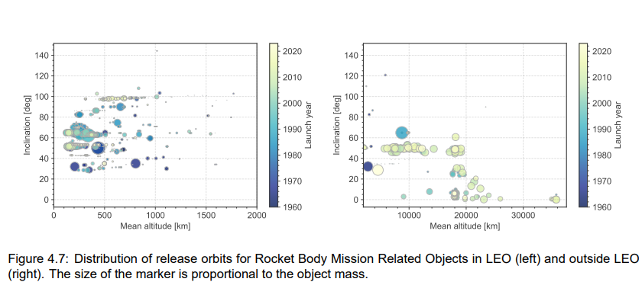
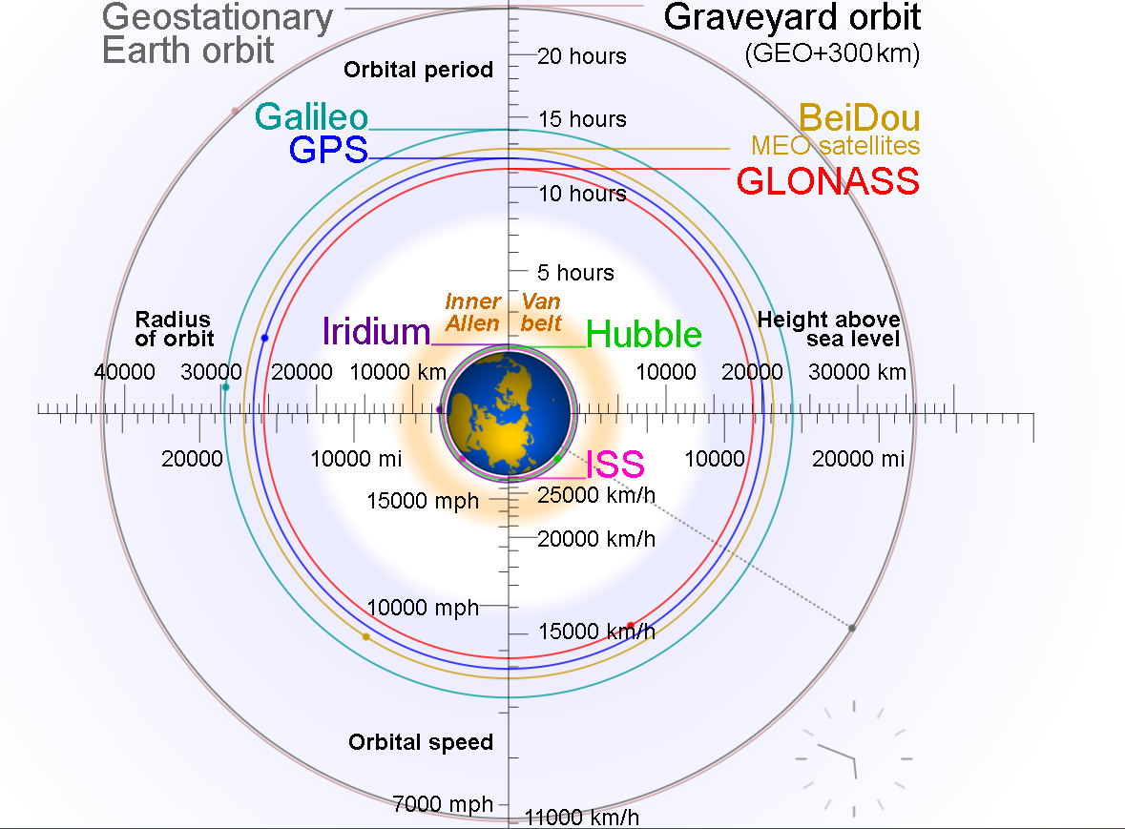
Require two line NORAD parameters for each debris.
Good refrence paper is Design of Spacecraft Missions to Remove Multiple Orbital Debris Objects
Ref 9, 12 for rendezvous
Ref 13 for series method
Selected debris can all be removed as well as reoriented/captured so select one method and compare the results for the two mission scenarios
This means the final orbit for the deorbit as well capture need to be determined
Same rendezvous sequence should be used for both scenarios as rendezvous remains largely independent for both.
Energy calculations will therefore be related to debris removal and capture process
In hindsight, the energy required for reorientation should be lesser but will be highly dependent on the selected final orbit
GEO graveyard orbit would be a good example to set on
11 m/s for GEO to GEO disposal equivalent to 2-3 months of extra fuel
500-1500 km most populated LEO
Less than 600 km deorbit time is several years
More than 800km deorbit time is centuries
More than 1000km deorbit time is thousands of years
https://sdup.esoc.esa.int/discosweb/statistics/

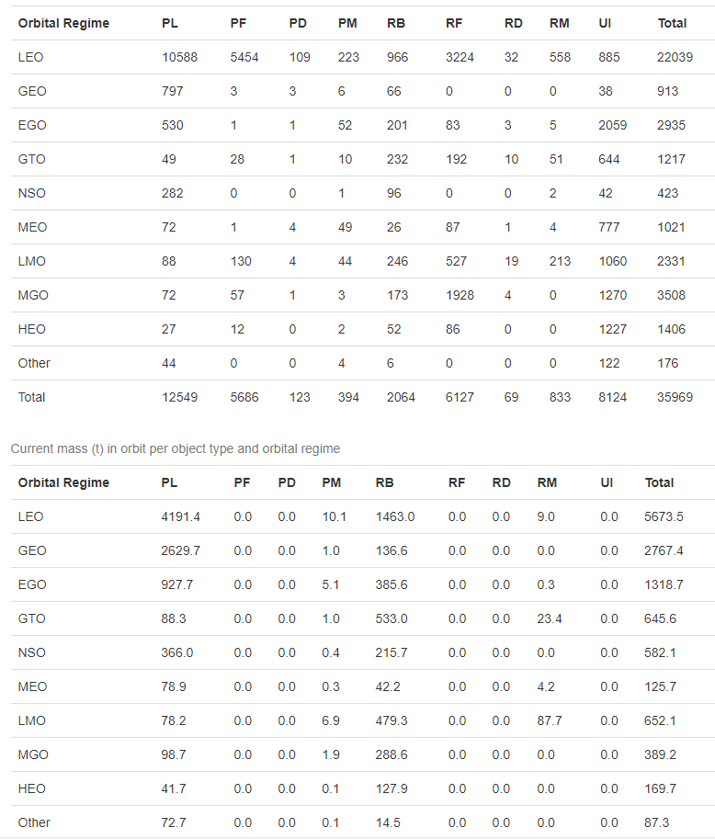
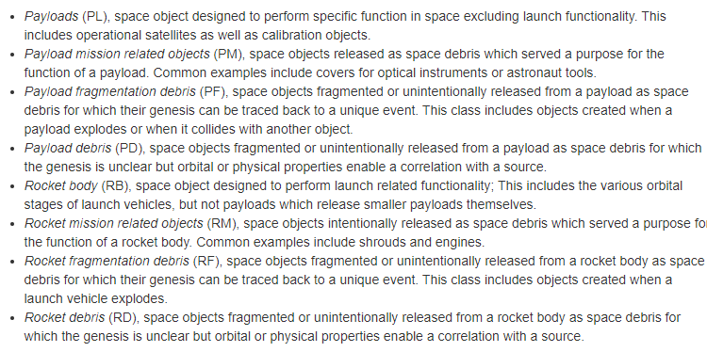
Mass of SC | 620 | kg |  |  |  |  |  |  | Orbits
mu | 398589.4 | km3/s2 | Re | 6378 | km |  |  |  | Altitude | Inclination
Target | Rocket Bodies |  |  |  |  |  |  |  | 250 | 50
Total Mass | 1436 | tonnes | 1436000 | kg | Avg Mass | 1486.5424431 | Kg |  | 500 | 100
Total Number | 966
Cross Sectional Area | 11465.4 | m2 |  |  | Avg Cross Sectional Area | 11.868944099 | m2 | 3.4451333936 | m
Orbits | LEO | Hp | <2000 km |  | Avg Mass Per Avg Cross Sectional Area | 125.2463935 | kg/m2
 |  | Ha | <2000 km

Altitude | 250 | km | E/m | -30.068602897 | MJ/kg
Inclination | 50 | degrees | V1circular | 7.7548182309 | km/s

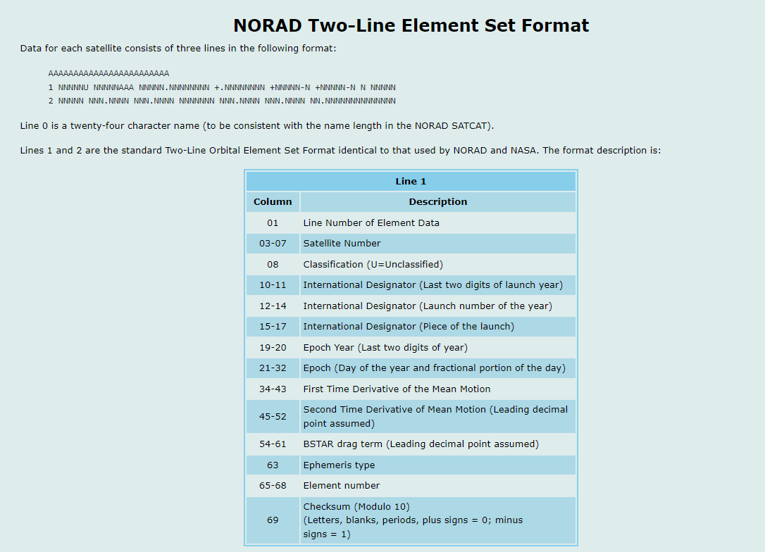
Mass of SC | 650 | kg
mu | 398589.4 | km3/s2 | Re | 6378 | km
Target | Payload Mission related objects
Total Mass | 10.1 | tonnes | 10100 | kg | Avg Mass | 45.291479821 | Kg
Total Number | 223
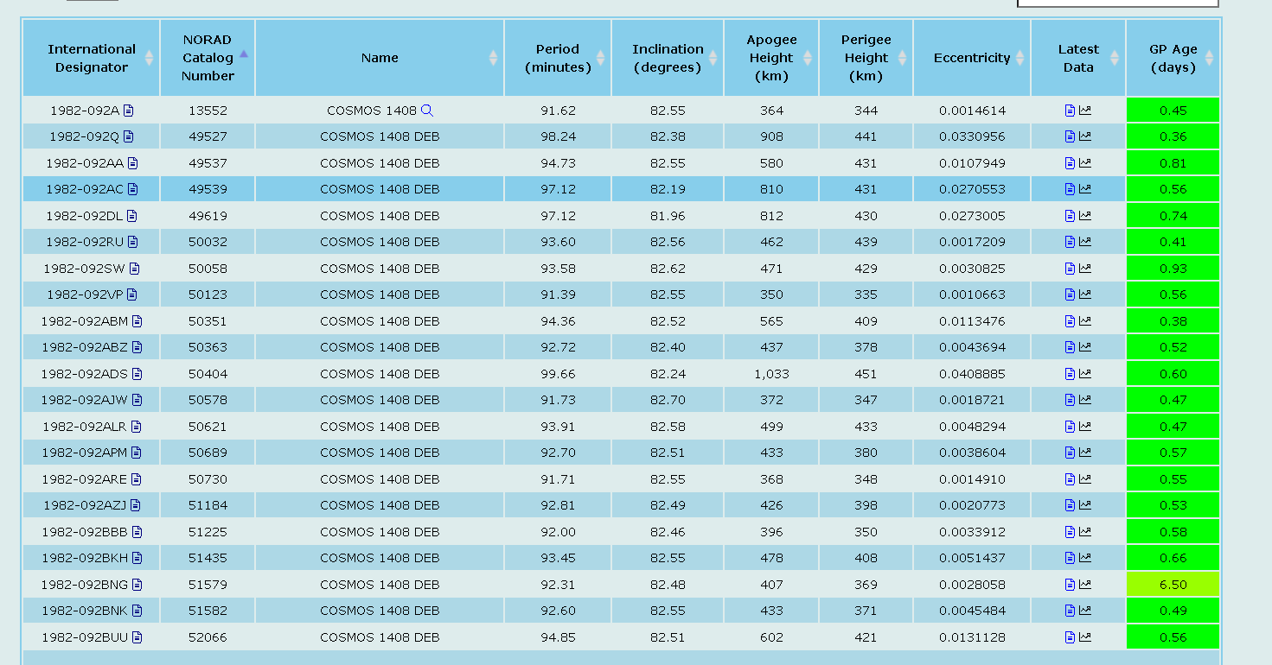
Cross Sectional Area | 79.1 | m2 |  |  | Avg Cross Sectional Area | 0.35470852018 | m2 | 0.59557410973 | m
Orbits | LEO | Hp | <2000 km |  | Avg Mass Per Avg Cross Sectional Area | 127.68647282 | kg/m2
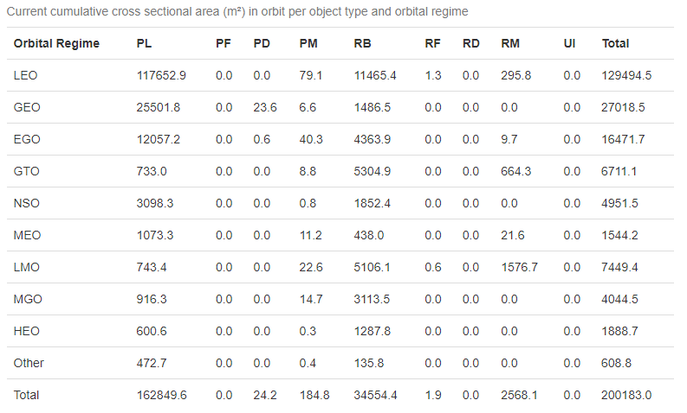
 |  | Ha | <2000 km

Altitude | 250 | km | E/m | -30.068602897 | MJ/kg
Inclination | 50 | degrees | V1circular | 7.7548182309 | km/s
 |  |  |  | Oshape | Oshape | OPlane | Oplane | Oorientation |  | Oshape
 |  | Apo | Peri | SMA | ECC | INC | RAAN | AOP | MA | Mean Motion
COSMOS | 1408 |  |  |  |  | DEB | 1 | SC
2 | 13552 | 364 | 344 | 6732.2972636 | 0.0014614 | 82.5522 | 196.1754 | 155.3727 | 204.8237 | 15.716354662
COSMOS | 1408 |  |  |  |  | DEB | 2
2 | 49527 | 908 | 441 | 7052.7043497 | 0.0330956 | 82.3777 | 333.0544 | 301.3969 | 55.5251 | 14.657612251
COSMOS | 1408 |  |  |  |  | DEB | 3
2 | 49537 | 580 | 431 | 6883.5308453 | 0.0107949 | 82.5495 | 251.0559 | 270.6543 | 88.2324 | 15.201269281
COSMOS | 1408 |  |  |  |  | DEB | 4
2 | 49539 | 810 | 431 | 6998.7340636 | 0.0270553 | 82.1887 | 312.7359 | 327.7148 | 30.7744 | 14.827485541
COSMOS | 1408 |  |  |  |  | DEB | 5
2 | 49619 | 812 | 430 | 6998.7916747 | 0.0273005 | 81.9571 | 278.3559 | 331.8687 | 26.7994 | 14.827302461
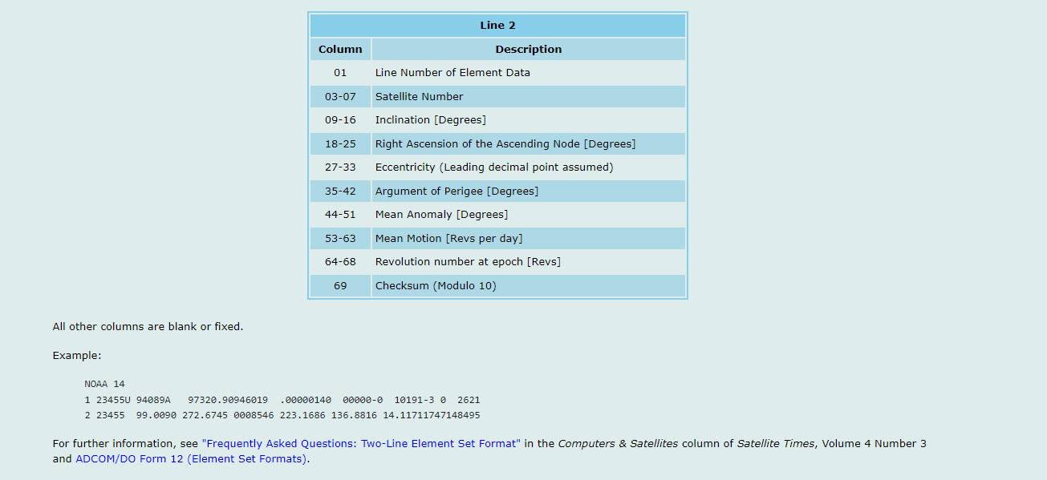
COSMOS | 1408 |  |  |  |  | DEB | 6
2 | 50032 | 462 | 439 | 6828.5226527 | 0.0017209 | 82.5647 | 208.5745 | 215.6681 | 144.3416 | 15.385322881
COSMOS | 1408 |  |  |  |  | DEB | 7
2 | 50058 | 471 | 429 | 6827.6344198 | 0.0030825 | 82.6151 | 222.9918 | 131.3691 | 229.0213 | 15.388325282
COSMOS | 1408 |  |  |  |  | DEB | 8
2 | 50123 | 350 | 335 | 6720.6668084 | 0.0010663 | 82.5513 | 196.6089 | 107.5244 | 252.7187 | 15.757169232
COSMOS | 1408 |  |  |  |  | DEB | 9
2 | 50351 | 565 | 409 | 6865.4222325 | 0.0113476 | 82.5181 | 254.3329 | 291.8809 | 67.0393 | 15.261452471
COSMOS | 1408 |  |  |  |  | DEB | 10
2 | 50363 | 437 | 378 | 6785.7532413 | 0.0043694 | 82.4039 | 214.3341 | 245.9798 | 113.6879 | 15.531008321
COSMOS | 1408 |  |  |  |  | DEB | 11
2 | 50404 | 1033 | 451 | 7120.223977 | 0.0408885 | 82.2434 | 337.9317 | 22.9235 | 338.9637 | 14.449614601
COSMOS | 1408 |  |  |  |  | DEB | 12
2 | 50578 | 372 | 347 | 6737.4345249 | 0.0018721 | 82.703 | 226.5051 | 136.6759 | 223.5979 | 15.698382621
COSMOS | 1408 |  |  |  |  | DEB | 13
2 | 50621 | 499 | 433 | 6843.9582113 | 0.0048294 | 82.577 | 225.4715 | 165.1264 | 195.1413 | 15.333303181
COSMOS | 1408 |  |  |  |  | DEB | 14
2 | 50689 | 433 | 380 | 6784.7308775 | 0.0038604 | 82.5087 | 199.8287 | 75.0936 | 285.4587 | 15.534518911
COSMOS | 1408 |  |  |  |  | DEB | 15
2 | 50730 | 368 | 348 | 6736.5077696 | 0.001491 | 82.5516 | 202.1975 | 118.7606 | 241.5156 | 15.701622221
COSMOS | 1408 |  |  |  |  | DEB | 16
2 | 51184 | 426 | 398 | 6790.2310848 | 0.0020773 | 82.4911 | 195.7603 | 81.2471 | 279.1133 | 15.515647881
COSMOS | 1408 |  |  |  |  | DEB | 17
2 | 51225 | 396 | 350 | 6750.8039118 | 0.0033912 | 82.4557 | 196.1778 | 200.9915 | 158.9955 | 15.651771771
COSMOS | 1408 |  |  |  |  | DEB | 18
2 | 51435 | 478 | 408 | 6821.2218176 | 0.0051437 | 82.5523 | 226.3357 | 185.4166 | 174.6532 | 15.410030131
COSMOS | 1408 |  |  |  |  | DEB | 19
2 | 51579 | 407 | 369 | 6765.7521025 | 0.0028058 | 82.4831 | 211.4427 | 195.8685 | 164.1695 | 15.599929111
COSMOS | 1408 |  |  |  |  | DEB | 20
2 | 51582 | 433 | 371 | 6779.8290845 | 0.0045484 | 82.5536 | 223.6488 | 163.1403 | 197.1376 | 15.551369061
COSMOS | 1408 |  |  |  |  | DEB | 21
2 | 52066 | 602 | 421 | 6889.4019357 | 0.0131128 | 82.5145 | 260.7946 | 326.2979 | 32.9964 | 15.181841831

SMA raising Isp 500 PM
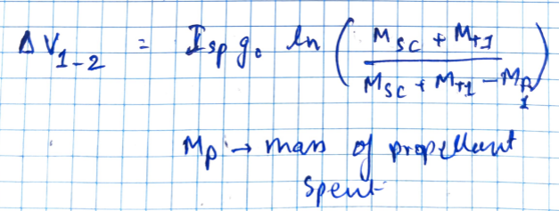
 |  |  | Apo | Peri | SMA | ECC | INC | RAAN | AOP | MA | Mean Motion | delta_V |  |  |  |  | Dry Mass frac w SD | Dry Mass of SC w/o SD | Mass Added | Total Mass w SD | Mass of Prop Spent w SD | Mass of Prop Spent w/o SD | (after travelling) Fuel Frac w SD | (after travelling) Fuel Frac w/o SD | Dry Mass of SC | Dry Mass Frac w/o SD |  | Total system Mass when arriving at dest w SDs | Total System Mass when arriving at dest NO SD
COSMOS | 1408 |  |  |  |  |  | DEB | 1 | SC
2 | 13552 | 1 | 364 | 344 | 6732 | 0.0014614 | 82.5522 | 196.1754 | 155.3727 | 204.8237 | 15.71635466 | 1 to 2 |  |  |  | 1 to 2 | 0.24576591236 | 795 | 50 | 845 | 106.76891302 | 105.26300451 | 0.75423408764 | 0.76546853014 | 795 | 0.23453146986 | 1 | 3438.231087 | 3389.7369955
Isp | 500 | 2 | 900 | 344 | 7000 | 0.0014614 | 82.5522 | 196.1754 | 155.3727 | 204.8237 | 15.71635466 | 150 | 2 to 3 |  |  | 2 to 3 | 0.26182962294 | 795 | 50 | 895 | 69.977682509 | 68.001784671 | 0.73817037706 | 0.76066725686 | 795 | 0.23933274314 | 1 | 3418.2534045 | 3321.7352108
 | 2700 | 3 | 1300 | 344 | 7200 | 0.0014614 | 82.5522 | 196.1754 | 155.3727 | 204.8237 | 15.71635466 |  | 99.4 | 3 to 4 |  | 3 to 4 | 0.27770949797 | 795 | 50 | 945 | 65.416962392 | 62.653388326 | 0.72229050203 | 0.7560662655 | 795 | 0.2439337345 | 1 | 3402.8364421 | 3259.0818225
 | 3495 | 4 | 1700 | 344 | 7400 | 0.0014614 | 82.5522 | 196.1754 | 155.3727 | 204.8237 | 15.71635466 | 1 to 2 |  | 93.4 | 4 to 5 | 4 to 5 | 0.2933257276 | 795 | 50 | 995 | 60.703034152 | 57.296706199 | 0.7066742724 | 0.7517010133 | 795 | 0.2482989867 | 1 | 3392.1334079 | 3201.7851163
 |  | 5 | 2100 | 344 | 7600 | 0.0014614 | 82.5522 | 196.1754 | 155.3727 | 204.8237 | 15.71635466 |  | 2 to 3 |  | 87 | 5 to 6 | 0.3087213587 | 795 | 50 | 1045 | 57.204019211 | 53.209726526 | 0.6912786413 | 0.74750485487 | 795 | 0.25249514513 | 1 | 3384.9293887 | 3148.5753898
 |  | 6 | 2500 | 344 | 7800 | 0.0014614 | 82.5522 | 196.1754 | 155.3727 | 204.8237 | 15.71635466 |  |  | 3 to 4 |  | 82.2 |  |  |  |  | 360.07061128 | 346.42461024
 |  |  |  |  |  |  |  |  |  |  |  |  |  |  | 4 to 5 |  |  |  |  |  | -110.07061128
 |  |  |  |  |  |  |  |  |  |  |  |  |  |  |  | 5 to 6
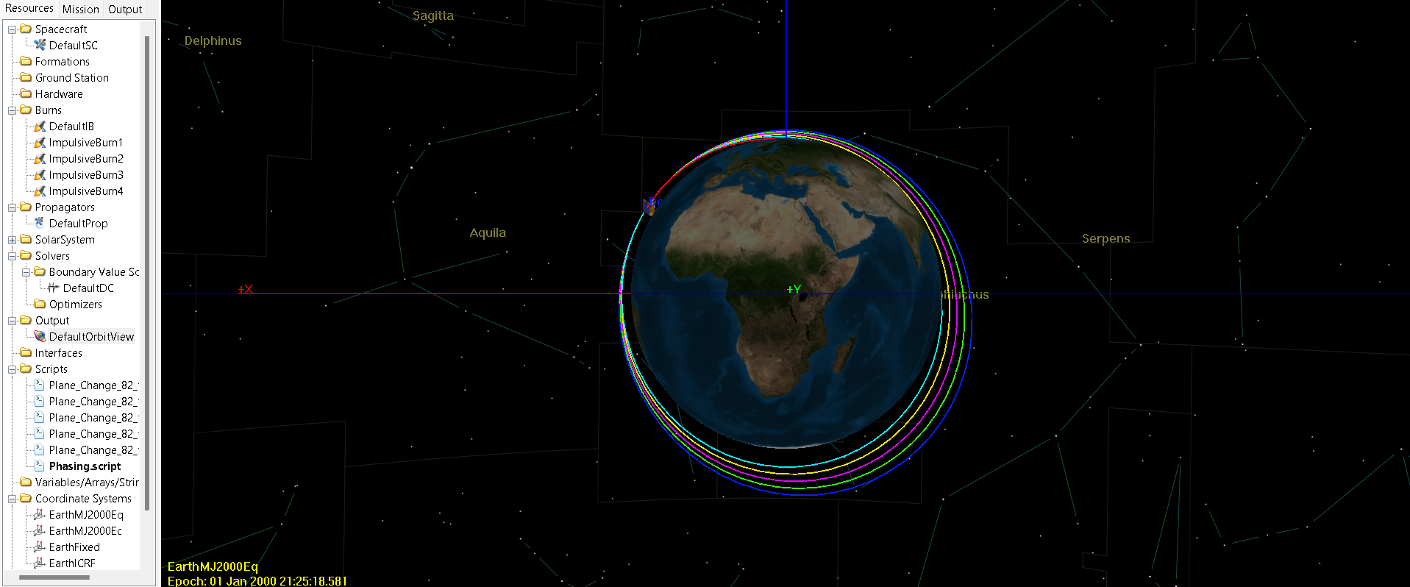

 | Dry Mass frac w SD | (after travelling) Fuel Frac w SD | (after travelling) Fuel Frac w/o SD | Dry Mass Frac w/o SD
1 to 2 | 0.24576591236 | 0.75423408764 | 0.76546853014 | 0.23453146986
2 to 3 | 0.26182962294 | 0.73817037706 | 0.76066725686 | 0.23933274314
3 to 4 | 0.27770949797 | 0.72229050203 | 0.7560662655 | 0.2439337345
4 to 5 | 0.2933257276 | 0.7066742724 | 0.7517010133 | 0.2482989867
5 to 6 | 0.3087213587 | 0.6912786413 | 0.74750485487 | 0.25249514513
 | Total system Mass when arriving at dest w SDs | Total System Mass when arriving at dest NO SD
1 to 2 | 3438.231087 | 3389.7369955
2 to 3 | 3418.2534045 | 3321.7352108
3 to 4 | 3402.8364421 | 3259.0818225
4 to 5 | 3392.1334079 | 3201.7851163
5 to 6 | 3384.9293887 | 3148.5753898
 | Mass of Prop Spent w SD | Mass of Prop Spent w/o SD
 | 106.76891302 | 105.26300451
 | 69.977682509 | 68.001784671
 | 65.416962392 | 62.653388326
 | 60.703034152 | 57.296706199
 | 57.204019211 | 53.209726526

SMA raising Isp 500 RB
 |  |  | Apo | Peri | SMA | ECC | INC | RAAN | AOP | MA | Mean Motion | delta_V |  |  |  |  | Dry Mass frac w SD | Dry Mass of SC w/o SD | Mass Added | Total Mass w SD | Mass of Prop Spent w SD | Mass of Prop Spent w/o SD | (after travelling) Fuel Frac w SD | (after travelling) Fuel Frac w/o SD | Dry Mass of SC | Dry Mass Frac w/o SD |  | Total system Mass when arriving at dest w SDs | Total System Mass when arriving at dest NO SD
COSMOS | 1408 |  |  |  |  |  | DEB | 1 | SC
2 | 13552 | 1 | 364 | 344 | 6732 | 0.0014614 | 82.5522 | 196.1754 | 155.3727 | 204.8237 | 15.71635466 | 1 to 2 |  |  |  | 1 to 2 | 0.47372725759 | 795 | 1500 | 2295 | 150.44025967 | 105.26300451 | 0.52627274241 | 0.76546853014 | 795 | 0.23453146986 | 1 | 4844.5597403 | 3389.7369955
Isp | 500 | 2 | 900 | 344 | 7000 | 0.0014614 | 82.5522 | 196.1754 | 155.3727 | 204.8237 | 15.71635466 | 150 | 2 to 3 |  |  | 2 to 3 | 0.61039544255 | 795 | 1500 | 3795 | 127.27871982 | 68.001784671 | 0.38960455745 | 0.76066725686 | 795 | 0.23933274314 | 1 | 6217.2810205 | 3321.7352108
 | 2700 | 3 | 1300 | 344 | 7200 | 0.0014614 | 82.5522 | 196.1754 | 155.3727 | 204.8237 | 15.71635466 |  | 99.4 | 3 to 4 |  | 3 to 4 | 0.69931266781 | 795 | 1500 | 5295 | 145.56061032 | 62.653388326 | 0.30068733219 | 0.7560662655 | 795 | 0.2439337345 | 1 | 7571.7204102 | 3259.0818225
 | 3495 | 4 | 1700 | 344 | 7400 | 0.0014614 | 82.5522 | 196.1754 | 155.3727 | 204.8237 | 15.71635466 | 1 to 2 |  | 93.4 | 4 to 5 | 4 to 5 | 0.76243510916 | 795 | 1500 | 6795 | 159.48654479 | 57.296706199 | 0.23756489084 | 0.7517010133 | 795 | 0.2482989867 | 1 | 8912.2338654 | 3201.7851163
 |  | 5 | 2100 | 344 | 7600 | 0.0014614 | 82.5522 | 196.1754 | 155.3727 | 204.8237 | 15.71635466 |  | 2 to 3 |  | 87 | 5 to 6 | 0.81012225177 | 795 | 1500 | 8295 | 173.03850708 | 53.209726526 | 0.18987774823 | 0.74750485487 | 795 | 0.25249514513 | 1 | 10239.195358 | 3148.5753898
 |  | 6 | 2500 | 344 | 7800 | 0.0014614 | 82.5522 | 196.1754 | 155.3727 | 204.8237 | 15.71635466 |  |  | 3 to 4 |  | 82.2 |  |  |  |  | 755.80464167 | 346.42461024
 |  |  |  |  |  |  |  |  |  |  |  |  |  |  | 4 to 5 |  |  |  |  |  | 6744.1953583
 |  |  |  |  |  |  |  |  |  |  |  |  |  |  |  | 5 to 6

 | Dry Mass frac w SD | (after travelling) Fuel Frac w SD | (after travelling) Fuel Frac w/o SD | Dry Mass Frac w/o SD
1 to 2 | 0.47372725759 | 0.52627274241 | 0.76546853014 | 0.23453146986
2 to 3 | 0.61039544255 | 0.38960455745 | 0.76066725686 | 0.23933274314
3 to 4 | 0.69931266781 | 0.30068733219 | 0.7560662655 | 0.2439337345
4 to 5 | 0.76243510916 | 0.23756489084 | 0.7517010133 | 0.2482989867
5 to 6 | 0.81012225177 | 0.18987774823 | 0.74750485487 | 0.25249514513
 | Total system Mass when arriving at dest w SDs | Total System Mass when arriving at dest NO SD
1 to 2 | 4844.5597403 | 3389.7369955
2 to 3 | 6217.2810205 | 3321.7352108
3 to 4 | 7571.7204102 | 3259.0818225
4 to 5 | 8912.2338654 | 3201.7851163
5 to 6 | 10239.195358 | 3148.5753898
 | Mass of Prop Spent w SD | Mass of Prop Spent w/o SD
 | 150.44025967 | 105.26300451
 | 127.27871982 | 68.001784671
 | 145.56061032 | 62.653388326
 | 159.48654479 | 57.296706199
 | 173.03850708 | 53.209726526

Inclination Change Isp 500 PM
https://www.google.com/search?q=phase+changing+manuever+in+GMAT&rlz=1C1SQJL_enIN963IN963&oq=phase+changing+manuever+in+GMAT&gs_lcrp=EgZjaHJvbWUyBggAEEUYOdIBCTU1MjY1ajBqN6gCALACAA&sourceid=chrome&ie=UTF-8#fpstate=ive&vld=cid:173cc5b5,vid:zv44J8lfw_w,st:0

 |  |  | SMA | ECC | INC | RAAN | AOP | MA | Mean Motion |  | delta_V |  |  |  |  | Dry Mass frac w SD | Dry Mass of SC w/o SD | Mass Added | Total Mass w SD | Mass of Prop Spent w SD | Mass of Prop Spent w/o SD | (after travelling) Fuel Frac w SD | (after travelling) Fuel Frac w/o SD | Dry Mass of SC | Dry Mass Frac w/o SD |  | Total system Mass when arriving at dest | Initial Total System Mass when arriving at dest
COSMOS | 1408 |  |  |  | DEB | 1 | SC
2 | 13552 | 1 | 6732 | 0.0014614 | 82.5522 | 196.1754 | 155.3727 | 204.8237 | 15.71635466 |  | +5 deg |  |  |  | +5 deg | 0.26966832058 | 795 | 45.3 | 840.3 | 424.24989005 | 397.85036154 | 0.73033167942 | 0.78782742956 | 620 | 0.21217257044 | 1 | 3116.05011 | 2922.1496385
Isp | 500 | 2 | 7000 | 0.0014614 | 87 | 196.1754 | 155.3727 | 204.8237 | 14.82346344 | V_x | 0 | +15 deg |  |  | +15 deg | 0.3467060402 | 795 | 45.3 | 840.3 | 1116.6329663 | 1047.1489558 | 0.6532939598 | 0.72721485573 | 620 | 0.27278514427 | 1 | 2423.6670337 | 2272.8510442
 | 2700 | 3 | 7200 | 0.0014614 | 97 | 196.1754 | 155.3727 | 204.8237 | 14.210128394 |  |  | 237 | -5 deg |  | -5 deg | 0.26011244932 | 795 | 45.3 | 840.3 | 309.77411708 | 290.4979998 | 0.73988755068 | 0.79534590175 | 620 | 0.20465409825 | 1 | 3230.5258829 | 3029.5020002
 |  | 4 | 7400 | 0.0014614 | 77 | 196.1754 | 155.3727 | 204.8237 | 13.637952297 | V_y | 595 |  | 8.7 | -10 deg | -10 deg | 0.27246993956 | 795 | 45.3 | 840.3 | 456.29006719 | 427.89679492 | 0.72753006044 | 0.78562314135 | 620 | 0.21437685865 | 1 | 3084.0099328 | 2892.1032051
 |  | 5 | 7600 | 0.0014614 | 72 | 196.1754 | 155.3727 | 204.8237 | 13.103169475 |  |  | 1925 |  | 98 | -20 deg | 0.28494295266 | 795 | 45.3 | 840.3 | 591.28865523 | 554.49491155 | 0.71505704734 | 0.77580948862 | 620 | 0.22419051138 | 1 | 2949.0113448 | 2765.5050884
 |  | 6 | 7800 | 0.0014614 | 62 | 196.1754 | 155.3727 | 204.8237 | 12.602445924 | V_z | 31.1 |  | 748 |  | 484
 | Mass of Prop Spent w SD | Mass of Prop Spent w/o SD
+5 deg | 424.24989005 | 397.85036154
+15 deg | 1116.6329663 | 1047.1489558
-5 deg | 309.77411708 | 290.4979998
-10 deg | 456.29006719 | 427.89679492
-20 deg | 591.28865523 | 554.49491155
 | Dry Mass frac w SD | (after travelling) Fuel Frac w SD | (after travelling) Fuel Frac w/o SD | Dry Mass Frac w/o SD
+5 deg | 0.26966832058 | 0.73033167942 | 0.78782742956 | 0.21217257044
+15 deg | 0.3467060402 | 0.6532939598 | 0.72721485573 | 0.27278514427
-5 deg | 0.26011244932 | 0.73988755068 | 0.79534590175 | 0.20465409825
-10 deg | 0.27246993956 | 0.72753006044 | 0.78562314135 | 0.21437685865
-20 deg | 0.28494295266 | 0.71505704734 | 0.77580948862 | 0.22419051138
 | Total system Mass when arriving at dest | Initial Total System Mass when arriving at dest
+5 deg | 3116.05011 | 2922.1496385
+15 deg | 2423.6670337 | 2272.8510442
-5 deg | 3230.5258829 | 3029.5020002
-10 deg | 3084.0099328 | 2892.1032051
-20 deg | 2949.0113448 | 2765.5050884
 |  |  |  |  |  |  |  |  |  |  |  | 14.4 |  | 1417
 |  |  |  |  |  |  |  |  |  |  | +5 deg |  | 69 |  | 2700
 |  |  |  |  |  |  |  |  |  |  | 626.1 | +15 deg |  | 29
 |  |  |  |  |  |  |  |  |  |  | 0.6261 | 2176.4 | -5 deg |  | 18
 |  |  |  |  |  |  |  |  |  |  |  | 2.1764 | 825.7 | -10 deg
 |  |  |  |  |  |  |  |  |  |  |  |  | 0.8257 | 1544 | -20 deg
 |  |  |  |  |  |  |  |  |  |  |  |  |  | 1.544 | 3202
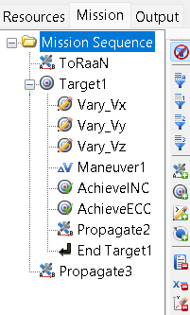
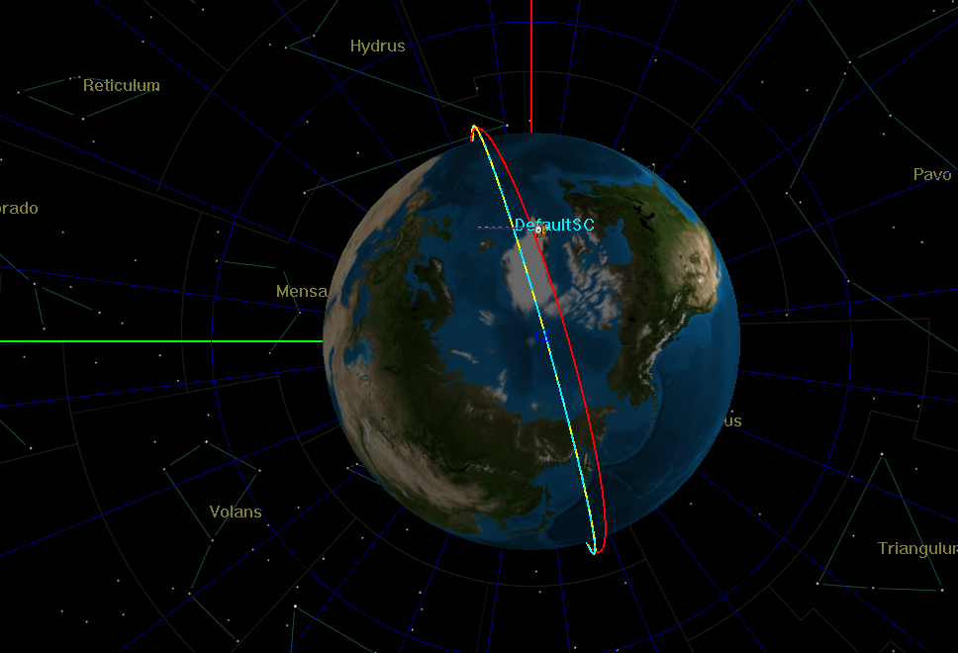
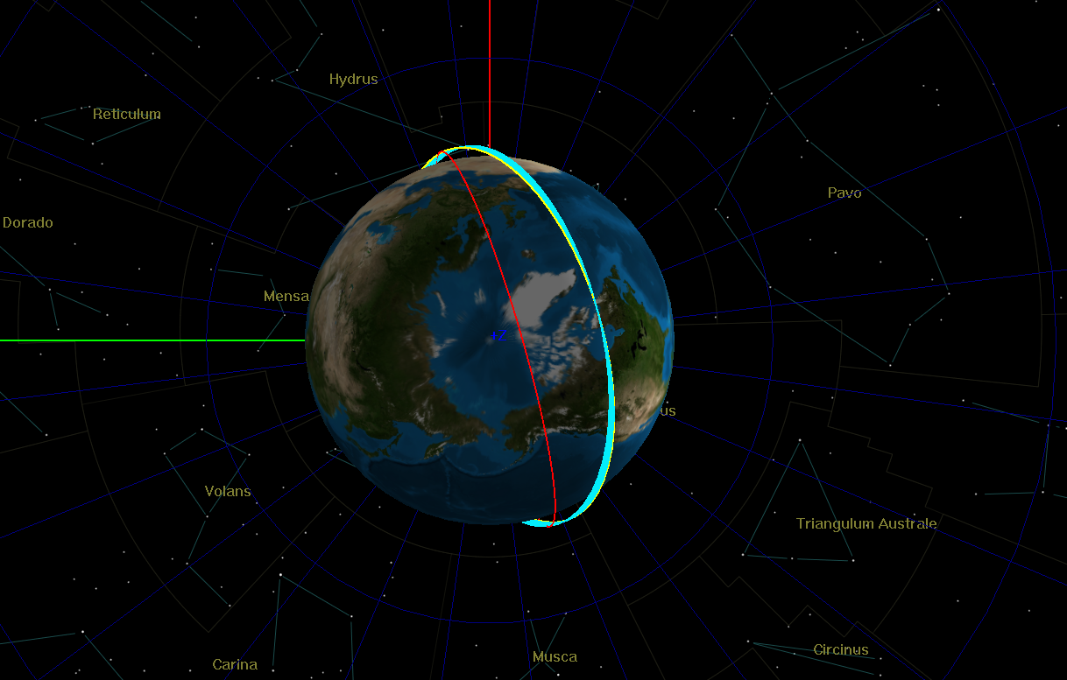
 |  |  |  |  |  |  |  |  |  |  |  |  |  |  | 3.202

Inclination Change Isp 500 RB
https://www.google.com/search?q=phase+changing+manuever+in+GMAT&rlz=1C1SQJL_enIN963IN963&oq=phase+changing+manuever+in+GMAT&gs_lcrp=EgZjaHJvbWUyBggAEEUYOdIBCTU1MjY1ajBqN6gCALACAA&sourceid=chrome&ie=UTF-8#fpstate=ive&vld=cid:173cc5b5,vid:zv44J8lfw_w,st:0

 |  |  | SMA | ECC | INC | RAAN | AOP | MA | Mean Motion |  | delta_V |  |  |  |  |  | Dry Mass frac w SD | Dry Mass of SC w/o SD | Mass Added | Total Mass w SD | Mass of Prop Spent w SD | Mass of Prop Spent w/o SD | (after travelling) Fuel Frac w SD | (after travelling) Fuel Frac w/o SD | Dry Mass of SC | Dry Mass Frac w/o SD |  | Total system Mass when arriving at dest | Initial Total System Mass when arriving at dest
COSMOS | 1408 |  |  |  | DEB | 1 | SC
2 | 13552 | 1 | 6732 | 0.0014614 | 82.5522 | 196.1754 | 155.3727 | 204.8237 | 15.71635466 |  | +5 deg |  |  |  | +5 deg | 1 | 0.52035568503 | 795 | 1486.542 | 2281.542 | 596.96032702 | 397.85036154 | 0.47964431497 | 0.78782742956 | 620 | 0.21217257044 | 1 | 4384.581673 | 2922.1496385
Isp | 500 | 2 | 7000 | 0.0014614 | 87 | 196.1754 | 155.3727 | 204.8237 | 15.71635466 | V_x | 0 | +15 deg |  |  | +15 deg | 1 | 0.66900872398 | 795 | 1486.542 | 2281.542 | 1571.2097903 | 1047.1489558 | 0.33099127602 | 0.72721485573 | 620 | 0.27278514427 | 1 | 3410.3322097 | 2272.8510442
 | 2700 | 3 | 7200 | 0.0014614 | 97 | 196.1754 | 155.3727 | 204.8237 | 15.71635466 |  |  | 237 | -5 deg |  | -5 deg | 1 | 0.50191654496 | 795 | 1486.542 | 2281.542 | 435.88192378 | 290.4979998 | 0.49808345504 | 0.79534590175 | 620 | 0.20465409825 | 1 | 4545.6600762 | 3029.5020002
 |  | 4 | 7400 | 0.0014614 | 77 | 196.1754 | 155.3727 | 204.8237 | 15.71635466 | V_y | 595 |  | 8.7 | -10 deg | -10 deg | 1 | 0.52576172738 | 795 | 1486.542 | 2281.542 | 642.0439324 | 427.89679492 | 0.47423827262 | 0.78562314135 | 620 | 0.21437685865 | 1 | 4339.4980676 | 2892.1032051
 |  | 5 | 7600 | 0.0014614 | 72 | 196.1754 | 155.3727 | 204.8237 | 15.71635466 |  |  | 1925 |  | 98 | -20 deg | 1 | 0.5498298243 | 795 | 1486.542 | 2281.542 | 831.99990683 | 554.49491155 | 0.4501701757 | 0.77580948862 | 620 | 0.22419051138 | 1 | 4149.5420932 | 2765.5050884
 |  | 6 | 7800 | 0.0014614 | 62 | 196.1754 | 155.3727 | 204.8237 | 15.71635466 | V_z | 31.1 |  | 748 |  | 484 | V_x
 | Mass of Prop Spent w SD | Mass of Prop Spent w/o SD
+5 deg | 596.96032702 | 397.85036154
+15 deg | 1571.2097903 | 1047.1489558
-5 deg | 435.88192378 | 290.4979998
-10 deg | 642.0439324 | 427.89679492
-20 deg | 831.99990683 | 554.49491155
 | Dry Mass frac w SD | (after travelling) Fuel Frac w SD | (after travelling) Fuel Frac w/o SD | Dry Mass Frac w/o SD
+5 deg | 0.52035568503 | 0.47964431497 | 0.78782742956 | 0.21217257044
+15 deg | 0.66900872398 | 0.33099127602 | 0.72721485573 | 0.27278514427
-5 deg | 0.50191654496 | 0.49808345504 | 0.79534590175 | 0.20465409825
-10 deg | 0.52576172738 | 0.47423827262 | 0.78562314135 | 0.21437685865
-20 deg | 0.5498298243 | 0.4501701757 | 0.77580948862 | 0.22419051138
 | Total system Mass when arriving at dest | Initial Total System Mass when arriving at dest
+5 deg | 4384.581673 | 2922.1496385
+15 deg | 3410.3322097 | 2272.8510442
-5 deg | 4545.6600762 | 3029.5020002
-10 deg | 4339.4980676 | 2892.1032051
-20 deg | 4149.5420932 | 2765.5050884
 |  |  |  |  |  |  |  |  |  |  |  | 14.4 |  | 1417
 |  |  |  |  |  |  |  |  |  |  | +5 deg |  | 69 |  | 2700 | V_y
 |  |  |  |  |  |  |  |  |  |  | 626.1 | +15 deg |  | 29
 |  |  |  |  |  |  |  |  |  |  | 0.6261 | 2176.4 | -5 deg |  | 18 | V_z
 |  |  |  |  |  |  |  |  |  |  |  | 2.1764 | 825.7 | -10 deg
 |  |  |  |  |  |  |  |  |  |  |  |  | 0.8257 | 1544 | -20 deg
 |  |  |  |  |  |  |  |  |  |  |  |  |  | 1.544 | 3202
 |  |  |  |  |  |  |  |  |  |  |  |  |  |  | 3.202

Semi Mission
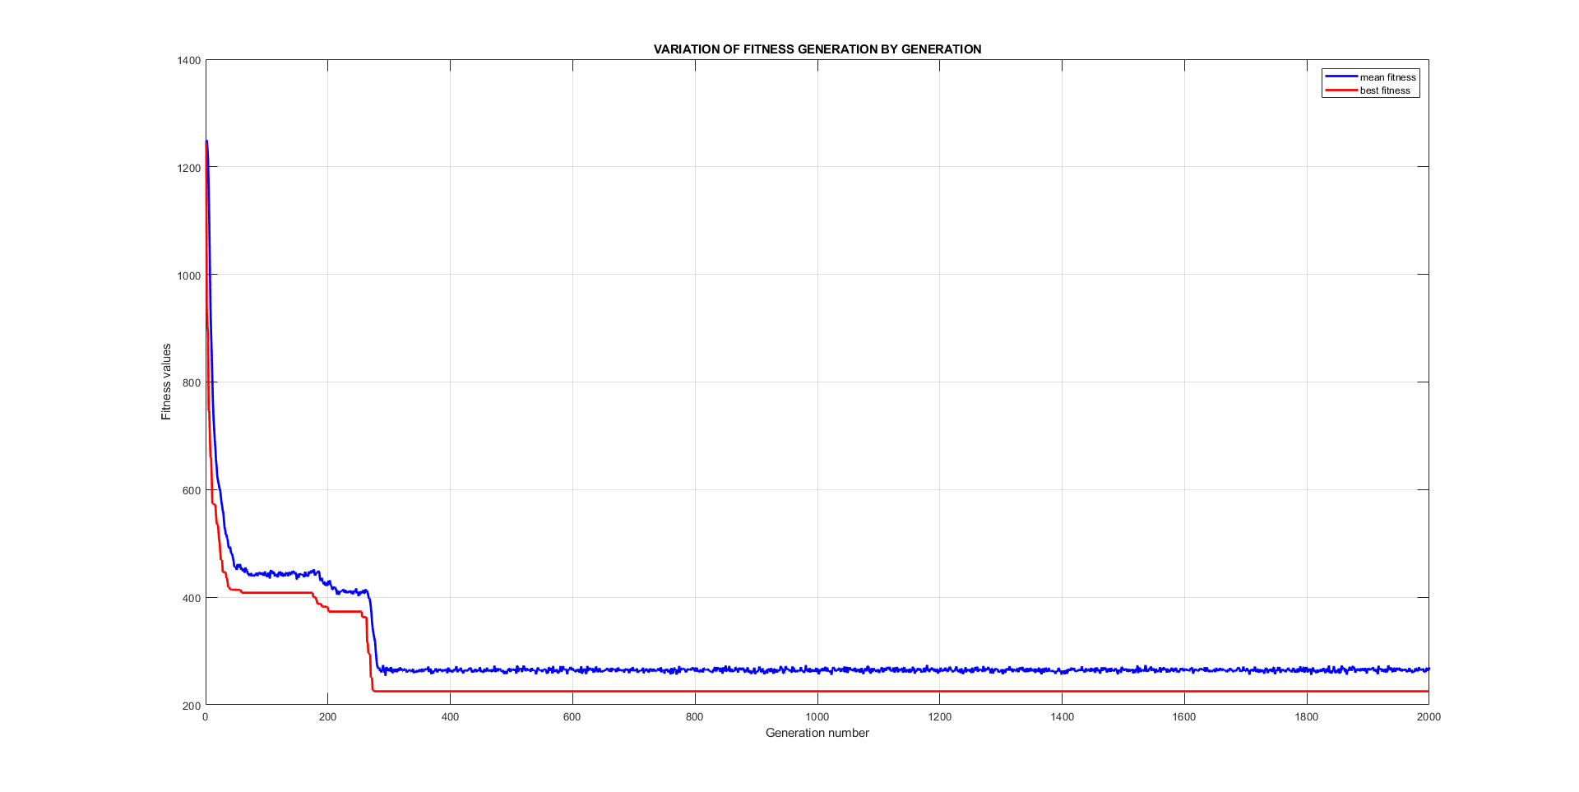
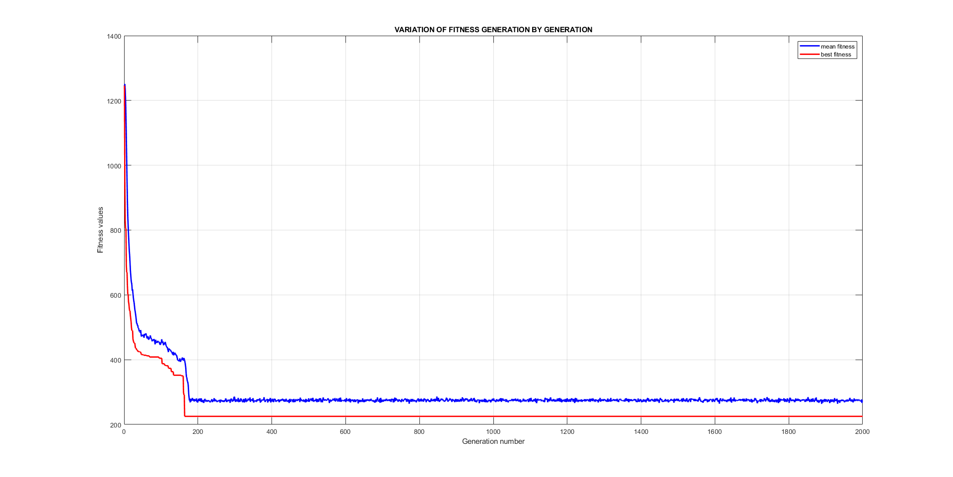
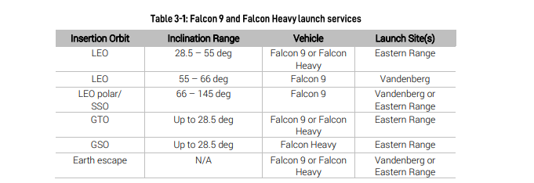
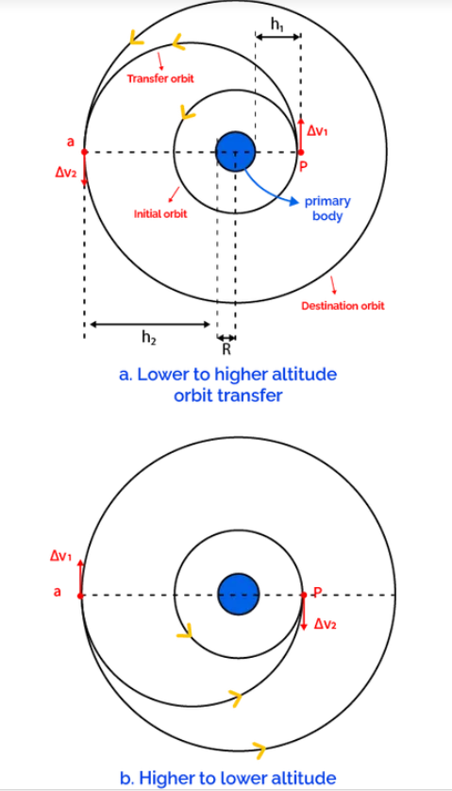
lamberts problem |  |  | Coelliptic sequence
select a time between each transfer initially 60 days for each |  |  | 344 km peri | 66 deg inc
calculate transfer orbit parameters |  |  | Take to perigee
carry out 2 transfers per orbit - from first orbit to transfer orbit then transfer orbit to final orbit |  |  | Make the two orbits co planar by changing incilnation and RAAN
Problem finding position of vector for each transfer |  |  | Make the two orbits co focal by changing the AOP
Each transfer has 4 possible transfer orbits for the given scenario the transfer orbits are bit scuffed |  |  | Hohmann transfer to the final orbit
 |  |  | 0 | 0 | Apo | Peri | SMA | ECC | INC | RAAN | AOP | MA | Mean Motion
Optimize based on sequences |  |  | COSMOS | 1408 | 0 | 0 | 0 | 0 | DEB | 1 | SC | 0 | 0
SQP |  |  | 2 | 13552 | 364 | 344 | 6732.2972636 | 0.0014614 | 82.5522 | 196.1754 | 155.3727 | 204.8237 | 15.716354662
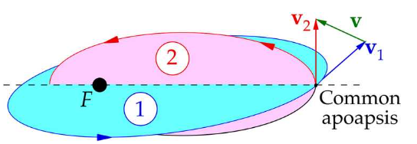
Put constraints |  |  | COSMOS | 1408 | 0 | 0 | 0 | 0 | DEB | 2 | 0 | 0 | 0
 |  |  | 2 | 49527 | 908 | 441 | 7052.7043497 | 0.0330956 | 82.3777 | 333.0544 | 301.3969 | 55.5251 | 14.657612251
 |  |  | COSMOS | 1408 | 0 | 0 | 0 | 0 | DEB | 3 | 0 | 0 | 0
Insertion Orbit | 1 | 2 | 2 | 49537 | 580 | 431 | 6883.5308453 | 0.0107949 | 82.5495 | 251.0559 | 270.6543 | 88.2324 | 15.201269281
 |  | 3 | COSMOS | 1408 | 0 | 0 | 0 | 0 | DEB | 4 | 0 | 0 | 0
 |  | 4 | 2 | 49539 | 810 | 431 | 6998.7340636 | 0.0270553 | 82.1887 | 312.7359 | 327.7148 | 30.7744 | 14.827485541
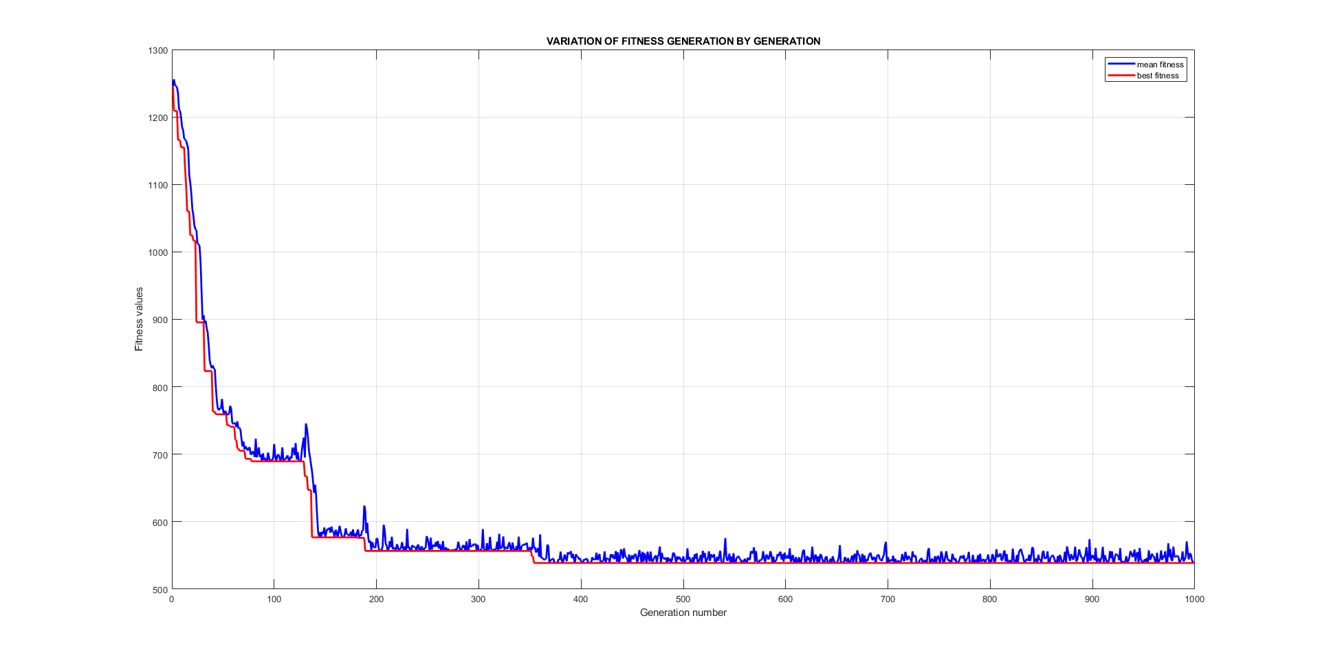
 |  | 5 | COSMOS | 1408 | 0 | 0 | 0 | 0 | DEB | 5 | 0 | 0 | 0
 | 2 | 1 | 2 | 49619 | 812 | 430 | 6998.7916747 | 0.0273005 | 81.9571 | 278.3559 | 331.8687 | 26.7994 | 14.827302461
 |  | 3
 |  | 4
 |  | 5
 | 3 | 1
 |  | 2
 |  | 4
 |  | 5
 | 4 | 1
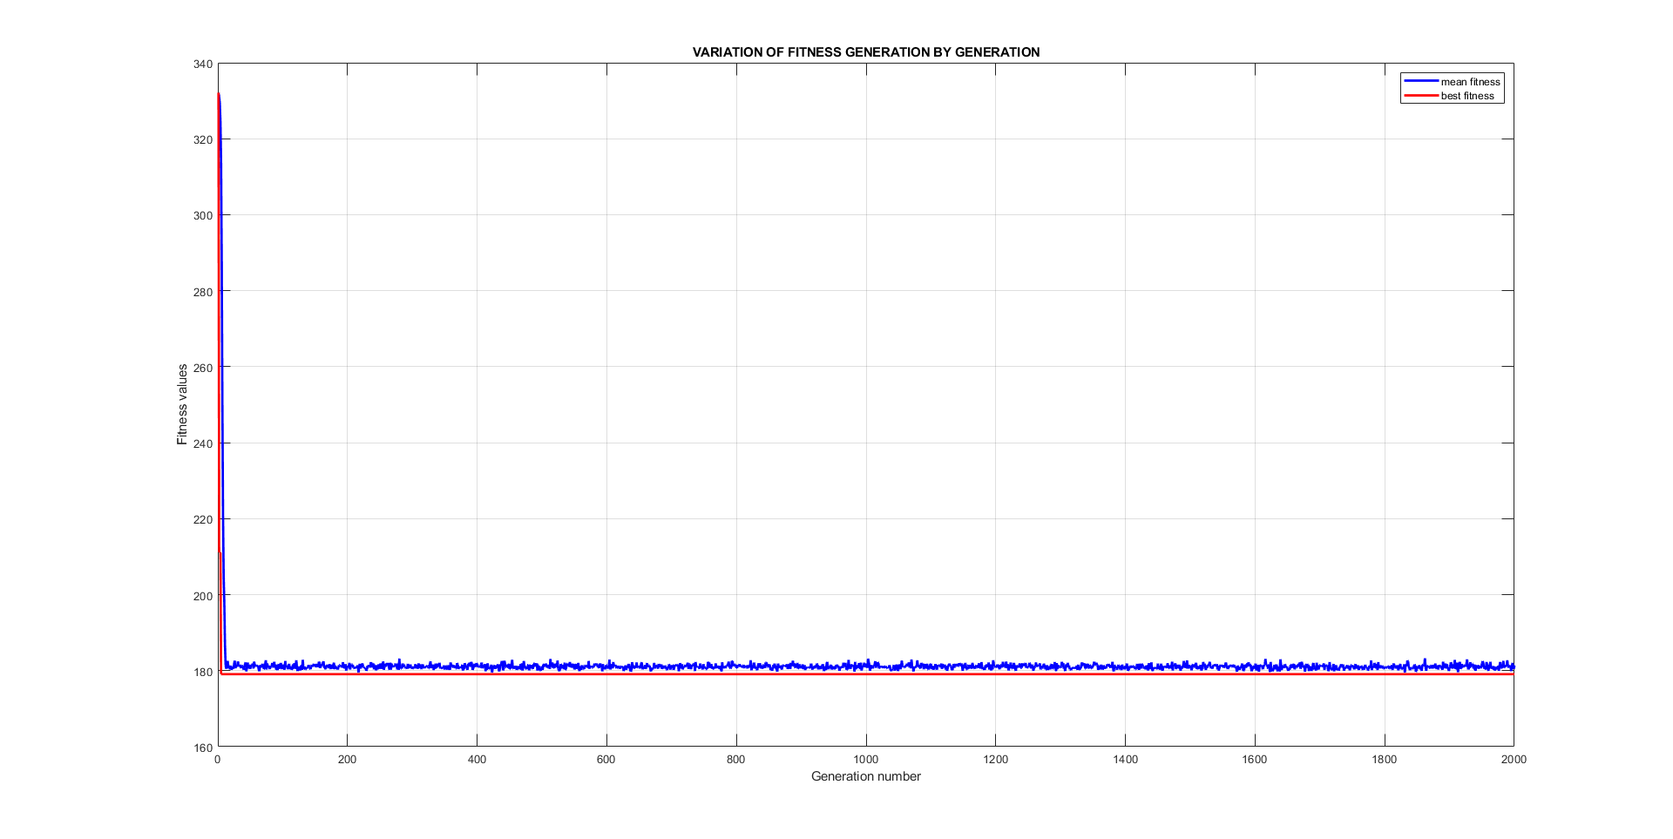
 |  | 2
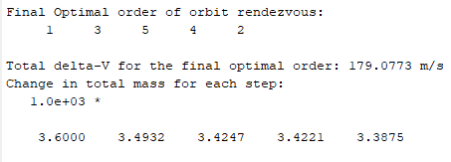
 |  | 3
 |  | 5
 | 5 | 1
 |  | 2
 |  | 3
 |  | 4

